Inquiry
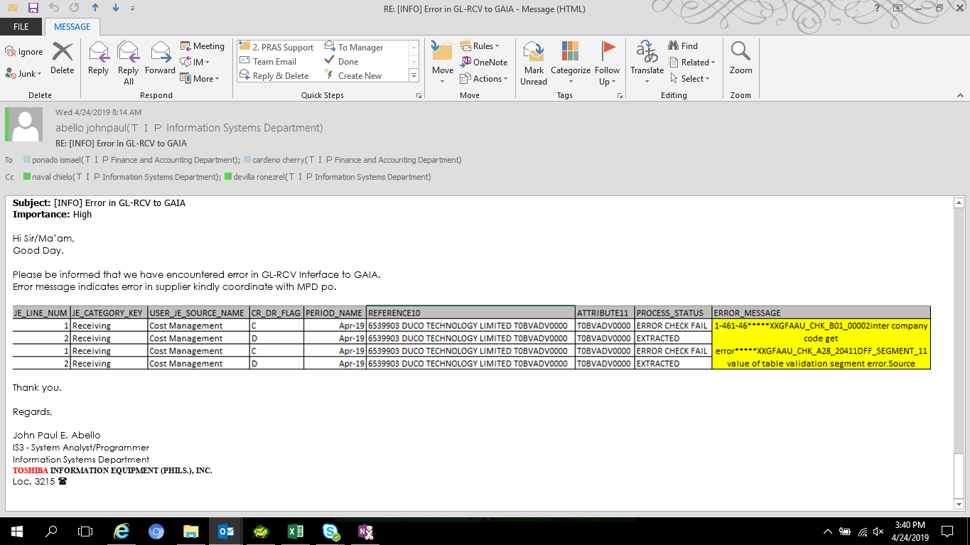

[EMAIL CONV]

Data Checking
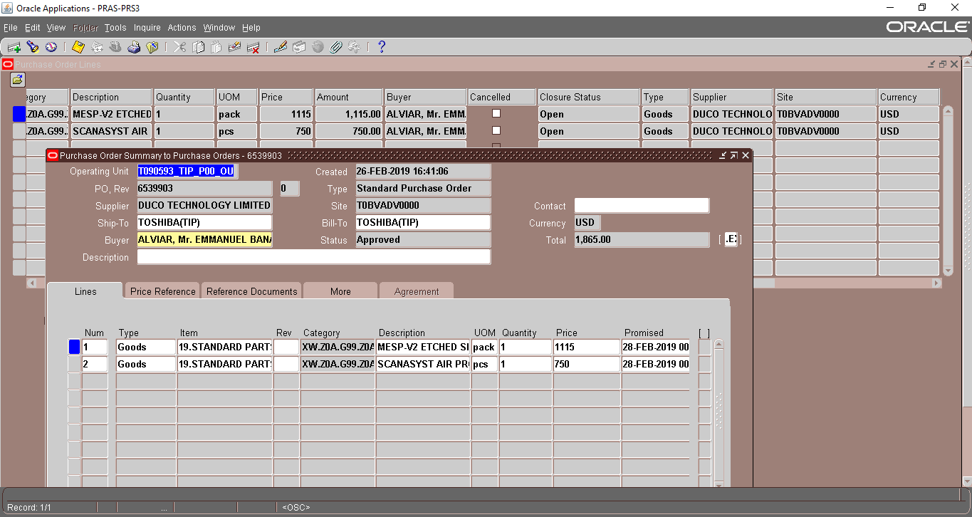
JE_HEADER_NUM | JE_LINE_NUM | JE_CATEGORY_KEY | USER_JE_SOURCE_NAME | ACCOUNTING_DATE | CR_DR_FLAG | PERIOD_NAME | REFERENCE1 | REFERENCE2 | REFERENCE4 | REFERENCE5 | REFERENCE6 | REFERENCE7 | REFERENCE8 | REFERENCE9 | REFERENCE10 | JGZZ_RECON_REF | TAX_REGIME_CODE | TAX | TAX_STATUS_CODE | TAX_JURISDICTION_CODE | TAX_RATE_CODE | TAX_RATE | TAX_LINE_GROUP | SEGMENT1 | SEGMENT2 | SEGMENT3 | SEGMENT4 | SEGMENT5 | SEGMENT6 | SEGMENT7 | SEGMENT8 | SEGMENT9 | SEGMENT10 | SEGMENT11 | CODE_COMBINATION_ID | ATTRIBUTE1 | ATTRIBUTE2 | ATTRIBUTE3 | ATTRIBUTE4 | ATTRIBUTE5 | ATTRIBUTE6 | ATTRIBUTE7 | ATTRIBUTE8 | ATTRIBUTE9 | ATTRIBUTE10 | ATTRIBUTE11 | ATTRIBUTE12 | ATTRIBUTE13 | ATTRIBUTE14 | ATTRIBUTE15 | ATTRIBUTE16 | ATTRIBUTE17 | ATTRIBUTE18 | ATTRIBUTE19 | ATTRIBUTE20 | XX_ATTRIBUTE1 | XX_ATTRIBUTE2 | XX_ATTRIBUTE3 | XX_ATTRIBUTE4 | XX_ATTRIBUTE5 | XX_ATTRIBUTE6 | XX_ATTRIBUTE7 | XX_ATTRIBUTE8 | XX_ATTRIBUTE9 | XX_ATTRIBUTE10 | XX_ATTRIBUTE11 | XX_ATTRIBUTE12 | XX_ATTRIBUTE13 | XX_ATTRIBUTE14 | XX_ATTRIBUTE15 | XX_ATTRIBUTE16 | XX_ATTRIBUTE17 | XX_ATTRIBUTE18 | XX_ATTRIBUTE19 | XX_ATTRIBUTE20 | XX_ATTRIBUTE21 | XX_ATTRIBUTE22 | XX_ATTRIBUTE23 | XX_ATTRIBUTE24 | XX_ATTRIBUTE25 | XX_ATTRIBUTE26 | XX_ATTRIBUTE27 | XX_ATTRIBUTE28 | XX_ATTRIBUTE29 | XX_ATTRIBUTE30 | XX_ATTRIBUTE31 | XX_ATTRIBUTE32 | XX_ATTRIBUTE33 | XX_ATTRIBUTE34 | XX_ATTRIBUTE35 | XX_ATTRIBUTE36 | XX_ATTRIBUTE37 | XX_ATTRIBUTE38 | XX_ATTRIBUTE39 | XX_ATTRIBUTE40 | XX_ATTRIBUTE41 | XX_ATTRIBUTE42 | XX_ATTRIBUTE43 | XX_ATTRIBUTE44 | XX_ATTRIBUTE45 | ENTERED_DR | ENTERED_CR | ACCOUNTED_DR | ACCOUNTED_CR | CURRENCY_CODE | CURRENCY_CONVERSION_DATE | USER_CURRENCY_CONVERSION_TYPE | CURRENCY_CONVERSION_RATE | STATUS | ACTUAL_FLAG | LEDGER_NAME | INVOICE_ID | DISTRIBUTION_LINE_NUMBER | PROCESS_STATUS | ERROR_FLAG | ERROR_MESSAGE | LEGAL_ENTITY_ID | CREATED_BY | CREATION_DATE | LAST_UPDATED_BY | LAST_UPDATE_DATE | LAST_UPDATE_LOGIN | REQUEST_ID | PROGRAM_APPLICATION_ID | PROGRAM_ID | PROGRAM_UPDATE_DATE | ORG_ID | TRANSACTION_ID
2532651 | 1 | Receiving | Cost Management | 2019-04-01 | C | Apr-19 |  |  |  | 2532651 |  |  |  |  | 6539903 DUCO TECHNOLOGY LIMITED T0BVADV0000 |  | PHL_REGIME | PHL_VAT | PHL_TAX_STATUS | PHL_JUR | PHLV00 | 0 |  | T090593 | M10 | L10 | 0 | 20201140 | 0 | 0 | PHL | 0 | 0 | 0 | 5073 |  |  |  |  |  |  |  |  |  |  | T0BVADV0000 |  | pcs |  |  |  |  |  |  |  |  |  |  |  |  |  |  |  |  |  |  |  |  |  |  |  |  |  |  |  |  |  |  |  |  |  |  |  |  |  |  |  |  |  |  |  |  |  |  |  |  |  |  |  |  |  | 750 |  | 750 | USD | 2019-04-01 |  | 1 | U | A | T090593_TIP_IFRS |  |  | ERROR CHECK FAIL | Y | 1-461-46*****XXGFAAU_CHK_B01_00002inter company code get error*****XXGFAAU_CHK_A28_20411DFF_SEGMENT_11 value of table validation segment error.Source AFF:T090593.M10.L10.0000000.20201140.0000.00000.PHL.0000000.000000.0000 | 23285 | 5023 | 4/11/19 | 5023 | 4/11/19 | 31559676 | 30849619 | 20009 | 64381 | 4/11/19 | 101 | 10055515
2532651 | 2 | Receiving | Cost Management | 2019-04-01 | D | Apr-19 |  |  |  | 2532651 |  |  |  |  | 6539903 DUCO TECHNOLOGY LIMITED T0BVADV0000 |  | PHL_REGIME | PHL_VAT | PHL_TAX_STATUS | PHL_JUR | PHLV00 | 0 |  | T090593 | A99 | L10 | 0 | 11851110 | 0 | 0 | PHL | 0 | 0 | 0 | 2019 |  |  |  |  |  |  |  |  |  |  | T0BVADV0000 |  | pcs |  |  |  |  |  |  |  |  |  |  |  |  |  |  |  |  |  |  |  |  |  |  |  |  |  |  |  |  |  |  |  |  |  |  |  |  |  |  |  |  |  |  |  |  |  |  |  |  |  |  |  |  | 750 |  | 750 |  | USD | 2019-04-01 |  | 1 | U | A | T090593_TIP_IFRS |  |  | EXTRACTED |  |  | 23285 | 5023 | 4/11/19 | 5023 | 4/11/19 | 31559676 | 30849619 | 20009 | 64381 | 4/11/19 | 101 | 10055515
2534088 | 1 | Receiving | Cost Management | 2019-04-01 | C | Apr-19 |  |  |  | 2534088 |  |  |  |  | 6539903 DUCO TECHNOLOGY LIMITED T0BVADV0000 |  | PHL_REGIME | PHL_VAT | PHL_TAX_STATUS | PHL_JUR | PHLV00 | 0 |  | T090593 | M10 | L10 | 0 | 20201140 | 0 | 0 | PHL | 0 | 0 | 0 | 5073 |  |  |  |  |  |  |  |  |  |  | T0BVADV0000 |  | pack |  |  |  |  |  |  |  |  |  |  |  |  |  |  |  |  |  |  |  |  |  |  |  |  |  |  |  |  |  |  |  |  |  |  |  |  |  |  |  |  |  |  |  |  |  |  |  |  |  |  |  |  |  | 1115 |  | 1115 | USD | 2019-04-01 |  | 1 | U | A | T090593_TIP_IFRS |  |  | ERROR CHECK FAIL | Y | 1-461-46*****XXGFAAU_CHK_B01_00002inter company code get error*****XXGFAAU_CHK_A28_20411DFF_SEGMENT_11 value of table validation segment error.Source AFF:T090593.M10.L10.0000000.20201140.0000.00000.PHL.0000000.000000.0000 | 23285 | 5023 | 4/11/19 | 5023 | 4/11/19 | 31559676 | 30849619 | 20009 | 64381 | 4/11/19 | 101 | 10055513
2534088 | 2 | Receiving | Cost Management | 2019-04-01 | D | Apr-19 |  |  |  | 2534088 |  |  |  |  | 6539903 DUCO TECHNOLOGY LIMITED T0BVADV0000 |  | PHL_REGIME | PHL_VAT | PHL_TAX_STATUS | PHL_JUR | PHLV00 | 0 |  | T090593 | A99 | L10 | 0 | 11851110 | 0 | 0 | PHL | 0 | 0 | 0 | 2019 |  |  |  |  |  |  |  |  |  |  | T0BVADV0000 |  | pack |  |  |  |  |  |  |  |  |  |  |  |  |  |  |  |  |  |  |  |  |  |  |  |  |  |  |  |  |  |  |  |  |  |  |  |  |  |  |  |  |  |  |  |  |  |  |  |  |  |  |  |  | 1115 |  | 1115 |  | USD | 2019-04-01 |  | 1 | U | A | T090593_TIP_IFRS |  |  | EXTRACTED |  |  | 23285 | 5023 | 4/11/19 | 5023 | 4/11/19 | 31559676 | 30849619 | 20009 | 64381 | 4/11/19 | 101 | 10055513

 | [ERROR MESSAGE]

 |  |  |  |  |  |  |  | Supplier | Jollibee
 |  |  |  |  |  |  |  | MPD | FIA
 |  |  |  |  |  |  |  | FIA register Jollibee GAIA
 |  |  |  |  |  |  |  | FIA 7 11 digit
 |  |  |  |  |  |  |  | MPD supplier PRAS

Supplier Setup Checking

SELECT *
FROM ap_suppliers
WHERE segment1 = 'T0BVADV'

[PRAS]

VENDOR_ID | LAST_UPDATE_DATE | LAST_UPDATED_BY | VENDOR_NAME | VENDOR_NAME_ALT | SEGMENT1 | SUMMARY_FLAG | ENABLED_FLAG | SEGMENT2 | SEGMENT3 | SEGMENT4 | SEGMENT5 | LAST_UPDATE_LOGIN | CREATION_DATE | CREATED_BY | EMPLOYEE_ID | VENDOR_TYPE_LOOKUP_CODE | CUSTOMER_NUM | ONE_TIME_FLAG | PARENT_VENDOR_ID | MIN_ORDER_AMOUNT | SHIP_TO_LOCATION_ID | BILL_TO_LOCATION_ID | SHIP_VIA_LOOKUP_CODE | FREIGHT_TERMS_LOOKUP_CODE | FOB_LOOKUP_CODE | TERMS_ID | SET_OF_BOOKS_ID | CREDIT_STATUS_LOOKUP_CODE | CREDIT_LIMIT | ALWAYS_TAKE_DISC_FLAG | PAY_DATE_BASIS_LOOKUP_CODE | PAY_GROUP_LOOKUP_CODE | PAYMENT_PRIORITY | INVOICE_CURRENCY_CODE | PAYMENT_CURRENCY_CODE | INVOICE_AMOUNT_LIMIT | EXCHANGE_DATE_LOOKUP_CODE | HOLD_ALL_PAYMENTS_FLAG | HOLD_FUTURE_PAYMENTS_FLAG | HOLD_REASON | DISTRIBUTION_SET_ID | ACCTS_PAY_CODE_COMBINATION_ID | DISC_LOST_CODE_COMBINATION_ID | DISC_TAKEN_CODE_COMBINATION_ID | EXPENSE_CODE_COMBINATION_ID | PREPAY_CODE_COMBINATION_ID | NUM_1099 | TYPE_1099 | WITHHOLDING_STATUS_LOOKUP_CODE | WITHHOLDING_START_DATE | ORGANIZATION_TYPE_LOOKUP_CODE | VAT_CODE | START_DATE_ACTIVE | END_DATE_ACTIVE | MINORITY_GROUP_LOOKUP_CODE | PAYMENT_METHOD_LOOKUP_CODE | BANK_ACCOUNT_NAME | BANK_ACCOUNT_NUM | BANK_NUM | BANK_ACCOUNT_TYPE | WOMEN_OWNED_FLAG | SMALL_BUSINESS_FLAG | STANDARD_INDUSTRY_CLASS | HOLD_FLAG | PURCHASING_HOLD_REASON | HOLD_BY | HOLD_DATE | TERMS_DATE_BASIS | PRICE_TOLERANCE | INSPECTION_REQUIRED_FLAG | RECEIPT_REQUIRED_FLAG | QTY_RCV_TOLERANCE | QTY_RCV_EXCEPTION_CODE | ENFORCE_SHIP_TO_LOCATION_CODE | DAYS_EARLY_RECEIPT_ALLOWED | DAYS_LATE_RECEIPT_ALLOWED | RECEIPT_DAYS_EXCEPTION_CODE | RECEIVING_ROUTING_ID | ALLOW_SUBSTITUTE_RECEIPTS_FLAG | ALLOW_UNORDERED_RECEIPTS_FLAG | HOLD_UNMATCHED_INVOICES_FLAG | EXCLUSIVE_PAYMENT_FLAG | AP_TAX_ROUNDING_RULE | AUTO_TAX_CALC_FLAG | AUTO_TAX_CALC_OVERRIDE | AMOUNT_INCLUDES_TAX_FLAG | TAX_VERIFICATION_DATE | NAME_CONTROL | STATE_REPORTABLE_FLAG | FEDERAL_REPORTABLE_FLAG | ATTRIBUTE_CATEGORY | ATTRIBUTE1 | ATTRIBUTE2 | ATTRIBUTE3 | ATTRIBUTE4 | ATTRIBUTE5 | ATTRIBUTE6 | ATTRIBUTE7 | ATTRIBUTE8 | ATTRIBUTE9 | ATTRIBUTE10 | ATTRIBUTE11 | ATTRIBUTE12 | ATTRIBUTE13 | ATTRIBUTE14 | ATTRIBUTE15 | REQUEST_ID | PROGRAM_APPLICATION_ID | PROGRAM_ID | PROGRAM_UPDATE_DATE | OFFSET_VAT_CODE | VAT_REGISTRATION_NUM | AUTO_CALCULATE_INTEREST_FLAG | VALIDATION_NUMBER | EXCLUDE_FREIGHT_FROM_DISCOUNT | TAX_REPORTING_NAME | CHECK_DIGITS | BANK_NUMBER | ALLOW_AWT_FLAG | AWT_GROUP_ID | GLOBAL_ATTRIBUTE1 | GLOBAL_ATTRIBUTE2 | GLOBAL_ATTRIBUTE3 | GLOBAL_ATTRIBUTE4 | GLOBAL_ATTRIBUTE5 | GLOBAL_ATTRIBUTE6 | GLOBAL_ATTRIBUTE7 | GLOBAL_ATTRIBUTE8 | GLOBAL_ATTRIBUTE9 | GLOBAL_ATTRIBUTE10 | GLOBAL_ATTRIBUTE11 | GLOBAL_ATTRIBUTE12 | GLOBAL_ATTRIBUTE13 | GLOBAL_ATTRIBUTE14 | GLOBAL_ATTRIBUTE15 | GLOBAL_ATTRIBUTE16 | GLOBAL_ATTRIBUTE17 | GLOBAL_ATTRIBUTE18 | GLOBAL_ATTRIBUTE19 | GLOBAL_ATTRIBUTE20 | GLOBAL_ATTRIBUTE_CATEGORY | EDI_TRANSACTION_HANDLING | EDI_PAYMENT_METHOD | EDI_PAYMENT_FORMAT | EDI_REMITTANCE_METHOD | EDI_REMITTANCE_INSTRUCTION | BANK_CHARGE_BEARER | BANK_BRANCH_TYPE | MATCH_OPTION | FUTURE_DATED_PAYMENT_CCID | CREATE_DEBIT_MEMO_FLAG | OFFSET_TAX_FLAG | PARTY_ID | PARENT_PARTY_ID | NI_NUMBER | TCA_SYNC_NUM_1099 | TCA_SYNC_VENDOR_NAME | TCA_SYNC_VAT_REG_NUM | INDIVIDUAL_1099 | UNIQUE_TAX_REFERENCE_NUM | PARTNERSHIP_UTR | PARTNERSHIP_NAME | CIS_ENABLED_FLAG | FIRST_NAME | SECOND_NAME | LAST_NAME | SALUTATION | TRADING_NAME | WORK_REFERENCE | COMPANY_REGISTRATION_NUMBER | NATIONAL_INSURANCE_NUMBER | VERIFICATION_NUMBER | VERIFICATION_REQUEST_ID | MATCH_STATUS_FLAG | CIS_VERIFICATION_DATE | PAY_AWT_GROUP_ID | CIS_PARENT_VENDOR_ID | BUS_CLASS_LAST_CERTIFIED_DATE | BUS_CLASS_LAST_CERTIFIED_BY
254305 | 8/29/18 | 4607 | DUCO TECHNOLOGY LIMITED |  | T0BVADV | N | Y |  |  |  |  | 27335280 | 8/29/18 | 4607 |  | VENDOR |  | N |  |  |  |  |  |  |  |  |  |  |  | N | DISCOUNT |  | 99 |  |  |  |  | N | N |  |  |  |  |  |  |  |  |  |  |  |  |  | 2018-08-29 |  |  |  |  |  |  |  | N | N |  | N |  |  |  | Invoice |  | N | Y |  | REJECT | WARNING |  |  | WARNING | 1 | N | N | N |  |  |  |  |  |  |  |  | N |  |  |  |  |  |  |  |  |  |  |  |  |  |  |  |  | -1 | -1 | -1 | 8/29/18 |  |  | N |  | N |  |  |  |  |  |  |  |  |  |  |  |  |  |  |  |  |  |  |  |  |  |  |  |  |  |  |  |  |  |  |  |  |  | R |  |  |  | 525224 |  |  |  | DUCO TECHNOLOGY LIMITED

[GAIA]

VENDOR_ID | LAST_UPDATE_DATE | LAST_UPDATED_BY | VENDOR_NAME | VENDOR_NAME_ALT | SEGMENT1 | SUMMARY_FLAG | ENABLED_FLAG | SEGMENT2 | SEGMENT3 | SEGMENT4 | SEGMENT5 | LAST_UPDATE_LOGIN | CREATION_DATE | CREATED_BY | EMPLOYEE_ID | VENDOR_TYPE_LOOKUP_CODE | CUSTOMER_NUM | ONE_TIME_FLAG | PARENT_VENDOR_ID | MIN_ORDER_AMOUNT | SHIP_TO_LOCATION_ID | BILL_TO_LOCATION_ID | SHIP_VIA_LOOKUP_CODE | FREIGHT_TERMS_LOOKUP_CODE | FOB_LOOKUP_CODE | TERMS_ID | SET_OF_BOOKS_ID | CREDIT_STATUS_LOOKUP_CODE | CREDIT_LIMIT | ALWAYS_TAKE_DISC_FLAG | PAY_DATE_BASIS_LOOKUP_CODE | PAY_GROUP_LOOKUP_CODE | PAYMENT_PRIORITY | INVOICE_CURRENCY_CODE | PAYMENT_CURRENCY_CODE | INVOICE_AMOUNT_LIMIT | EXCHANGE_DATE_LOOKUP_CODE | HOLD_ALL_PAYMENTS_FLAG | HOLD_FUTURE_PAYMENTS_FLAG | HOLD_REASON | DISTRIBUTION_SET_ID | ACCTS_PAY_CODE_COMBINATION_ID | DISC_LOST_CODE_COMBINATION_ID | DISC_TAKEN_CODE_COMBINATION_ID | EXPENSE_CODE_COMBINATION_ID | PREPAY_CODE_COMBINATION_ID | NUM_1099 | TYPE_1099 | WITHHOLDING_STATUS_LOOKUP_CODE | WITHHOLDING_START_DATE | ORGANIZATION_TYPE_LOOKUP_CODE | VAT_CODE | START_DATE_ACTIVE | END_DATE_ACTIVE | MINORITY_GROUP_LOOKUP_CODE | PAYMENT_METHOD_LOOKUP_CODE | BANK_ACCOUNT_NAME | BANK_ACCOUNT_NUM | BANK_NUM | BANK_ACCOUNT_TYPE | WOMEN_OWNED_FLAG | SMALL_BUSINESS_FLAG | STANDARD_INDUSTRY_CLASS | HOLD_FLAG | PURCHASING_HOLD_REASON | HOLD_BY | HOLD_DATE | TERMS_DATE_BASIS | PRICE_TOLERANCE | INSPECTION_REQUIRED_FLAG | RECEIPT_REQUIRED_FLAG | QTY_RCV_TOLERANCE | QTY_RCV_EXCEPTION_CODE | ENFORCE_SHIP_TO_LOCATION_CODE | DAYS_EARLY_RECEIPT_ALLOWED | DAYS_LATE_RECEIPT_ALLOWED | RECEIPT_DAYS_EXCEPTION_CODE | RECEIVING_ROUTING_ID | ALLOW_SUBSTITUTE_RECEIPTS_FLAG | ALLOW_UNORDERED_RECEIPTS_FLAG | HOLD_UNMATCHED_INVOICES_FLAG | EXCLUSIVE_PAYMENT_FLAG | AP_TAX_ROUNDING_RULE | AUTO_TAX_CALC_FLAG | AUTO_TAX_CALC_OVERRIDE | AMOUNT_INCLUDES_TAX_FLAG | TAX_VERIFICATION_DATE | NAME_CONTROL | STATE_REPORTABLE_FLAG | FEDERAL_REPORTABLE_FLAG | ATTRIBUTE_CATEGORY | ATTRIBUTE1 | ATTRIBUTE2 | ATTRIBUTE3 | ATTRIBUTE4 | ATTRIBUTE5 | ATTRIBUTE6 | ATTRIBUTE7 | ATTRIBUTE8 | ATTRIBUTE9 | ATTRIBUTE10 | ATTRIBUTE11 | ATTRIBUTE12 | ATTRIBUTE13 | ATTRIBUTE14 | ATTRIBUTE15 | REQUEST_ID | PROGRAM_APPLICATION_ID | PROGRAM_ID | PROGRAM_UPDATE_DATE | OFFSET_VAT_CODE | VAT_REGISTRATION_NUM | AUTO_CALCULATE_INTEREST_FLAG | VALIDATION_NUMBER | EXCLUDE_FREIGHT_FROM_DISCOUNT | TAX_REPORTING_NAME | CHECK_DIGITS | BANK_NUMBER | ALLOW_AWT_FLAG | AWT_GROUP_ID | GLOBAL_ATTRIBUTE1 | GLOBAL_ATTRIBUTE2 | GLOBAL_ATTRIBUTE3 | GLOBAL_ATTRIBUTE4 | GLOBAL_ATTRIBUTE5 | GLOBAL_ATTRIBUTE6 | GLOBAL_ATTRIBUTE7 | GLOBAL_ATTRIBUTE8 | GLOBAL_ATTRIBUTE9 | GLOBAL_ATTRIBUTE10 | GLOBAL_ATTRIBUTE11 | GLOBAL_ATTRIBUTE12 | GLOBAL_ATTRIBUTE13 | GLOBAL_ATTRIBUTE14 | GLOBAL_ATTRIBUTE15 | GLOBAL_ATTRIBUTE16 | GLOBAL_ATTRIBUTE17 | GLOBAL_ATTRIBUTE18 | GLOBAL_ATTRIBUTE19 | GLOBAL_ATTRIBUTE20 | GLOBAL_ATTRIBUTE_CATEGORY | EDI_TRANSACTION_HANDLING | EDI_PAYMENT_METHOD | EDI_PAYMENT_FORMAT | EDI_REMITTANCE_METHOD | EDI_REMITTANCE_INSTRUCTION | BANK_CHARGE_BEARER | BANK_BRANCH_TYPE | MATCH_OPTION | FUTURE_DATED_PAYMENT_CCID | CREATE_DEBIT_MEMO_FLAG | OFFSET_TAX_FLAG | PARTY_ID | PARENT_PARTY_ID | NI_NUMBER | TCA_SYNC_NUM_1099 | TCA_SYNC_VENDOR_NAME | TCA_SYNC_VAT_REG_NUM | INDIVIDUAL_1099 | UNIQUE_TAX_REFERENCE_NUM | PARTNERSHIP_UTR | PARTNERSHIP_NAME | CIS_ENABLED_FLAG | FIRST_NAME | SECOND_NAME | LAST_NAME | SALUTATION | TRADING_NAME | WORK_REFERENCE | COMPANY_REGISTRATION_NUMBER | NATIONAL_INSURANCE_NUMBER | VERIFICATION_NUMBER | VERIFICATION_REQUEST_ID | MATCH_STATUS_FLAG | CIS_VERIFICATION_DATE | PAY_AWT_GROUP_ID | CIS_PARENT_VENDOR_ID | BUS_CLASS_LAST_CERTIFIED_DATE | BUS_CLASS_LAST_CERTIFIED_BY
4905302 | 1/30/19 | 5878 | DUCO TECHNOLOGY LIMITED_T0BVADB | DUCO TECHNOLOGY LIMITED | T0BVADB | N | Y |  |  |  |  | 103433278 | 8/13/18 | 1671 |  | VENDOR |  | N |  |  |  |  |  |  |  |  |  |  |  | N | DISCOUNT |  | 99 |  |  |  |  | N | N |  |  |  |  |  |  |  |  |  |  |  |  |  | 2018-08-13 |  |  |  |  |  |  |  | N | N |  | N |  |  |  | Invoice |  |  |  |  |  |  |  |  |  |  |  |  | N |  |  |  |  |  |  |  | N | N |  | DUCO TECHNOLOGY LIMITED |  |  | DUCO TECHNOLOGY LIMITED | 0 |  |  |  |  |  |  |  |  |  |  |  |  |  |  |  |  | N | 9.99E+125 | N |  |  |  | Y |  |  |  |  |  |  |  |  |  |  |  |  |  |  |  |  |  |  |  |  |  |  |  |  |  |  |  |  |  | P |  |  |  | 10420231 |  |  |  | DUCO TECHNOLOGY LIMITED_T0BVADB

SELECT *
FROM ap_supplier_sites_all
WHERE vendor_site_id = 296325

VENDOR_SITE_ID | LAST_UPDATE_DATE | LAST_UPDATED_BY | VENDOR_ID | VENDOR_SITE_CODE | VENDOR_SITE_CODE_ALT | LAST_UPDATE_LOGIN | CREATION_DATE | CREATED_BY | PURCHASING_SITE_FLAG | RFQ_ONLY_SITE_FLAG | PAY_SITE_FLAG | ATTENTION_AR_FLAG | ADDRESS_LINE1 | ADDRESS_LINES_ALT | ADDRESS_LINE2 | ADDRESS_LINE3 | CITY | STATE | ZIP | PROVINCE | COUNTRY | AREA_CODE | PHONE | CUSTOMER_NUM | SHIP_TO_LOCATION_ID | BILL_TO_LOCATION_ID | SHIP_VIA_LOOKUP_CODE | FREIGHT_TERMS_LOOKUP_CODE | FOB_LOOKUP_CODE | INACTIVE_DATE | FAX | FAX_AREA_CODE | TELEX | PAYMENT_METHOD_LOOKUP_CODE | BANK_ACCOUNT_NAME | BANK_ACCOUNT_NUM | BANK_NUM | BANK_ACCOUNT_TYPE | TERMS_DATE_BASIS | CURRENT_CATALOG_NUM | VAT_CODE | DISTRIBUTION_SET_ID | ACCTS_PAY_CODE_COMBINATION_ID | PREPAY_CODE_COMBINATION_ID | PAY_GROUP_LOOKUP_CODE | PAYMENT_PRIORITY | TERMS_ID | INVOICE_AMOUNT_LIMIT | PAY_DATE_BASIS_LOOKUP_CODE | ALWAYS_TAKE_DISC_FLAG | INVOICE_CURRENCY_CODE | PAYMENT_CURRENCY_CODE | HOLD_ALL_PAYMENTS_FLAG | HOLD_FUTURE_PAYMENTS_FLAG | HOLD_REASON | HOLD_UNMATCHED_INVOICES_FLAG | AP_TAX_ROUNDING_RULE | AUTO_TAX_CALC_FLAG | AUTO_TAX_CALC_OVERRIDE | AMOUNT_INCLUDES_TAX_FLAG | EXCLUSIVE_PAYMENT_FLAG | TAX_REPORTING_SITE_FLAG | ATTRIBUTE_CATEGORY | ATTRIBUTE1 | ATTRIBUTE2 | ATTRIBUTE3 | ATTRIBUTE4 | ATTRIBUTE5 | ATTRIBUTE6 | ATTRIBUTE7 | ATTRIBUTE8 | ATTRIBUTE9 | ATTRIBUTE10 | ATTRIBUTE11 | ATTRIBUTE12 | ATTRIBUTE13 | ATTRIBUTE14 | ATTRIBUTE15 | REQUEST_ID | PROGRAM_APPLICATION_ID | PROGRAM_ID | PROGRAM_UPDATE_DATE | VALIDATION_NUMBER | EXCLUDE_FREIGHT_FROM_DISCOUNT | VAT_REGISTRATION_NUM | OFFSET_VAT_CODE | ORG_ID | CHECK_DIGITS | BANK_NUMBER | ADDRESS_LINE4 | COUNTY | ADDRESS_STYLE | LANGUAGE | ALLOW_AWT_FLAG | AWT_GROUP_ID | GLOBAL_ATTRIBUTE1 | GLOBAL_ATTRIBUTE2 | GLOBAL_ATTRIBUTE3 | GLOBAL_ATTRIBUTE4 | GLOBAL_ATTRIBUTE5 | GLOBAL_ATTRIBUTE6 | GLOBAL_ATTRIBUTE7 | GLOBAL_ATTRIBUTE8 | GLOBAL_ATTRIBUTE9 | GLOBAL_ATTRIBUTE10 | GLOBAL_ATTRIBUTE11 | GLOBAL_ATTRIBUTE12 | GLOBAL_ATTRIBUTE13 | GLOBAL_ATTRIBUTE14 | GLOBAL_ATTRIBUTE15 | GLOBAL_ATTRIBUTE16 | GLOBAL_ATTRIBUTE17 | GLOBAL_ATTRIBUTE18 | GLOBAL_ATTRIBUTE19 | GLOBAL_ATTRIBUTE20 | GLOBAL_ATTRIBUTE_CATEGORY | EDI_TRANSACTION_HANDLING | EDI_ID_NUMBER | EDI_PAYMENT_METHOD | EDI_PAYMENT_FORMAT | EDI_REMITTANCE_METHOD | BANK_CHARGE_BEARER | EDI_REMITTANCE_INSTRUCTION | BANK_BRANCH_TYPE | PAY_ON_CODE | DEFAULT_PAY_SITE_ID | PAY_ON_RECEIPT_SUMMARY_CODE | TP_HEADER_ID | ECE_TP_LOCATION_CODE | PCARD_SITE_FLAG | MATCH_OPTION | COUNTRY_OF_ORIGIN_CODE | FUTURE_DATED_PAYMENT_CCID | CREATE_DEBIT_MEMO_FLAG | OFFSET_TAX_FLAG | SUPPLIER_NOTIF_METHOD | EMAIL_ADDRESS | REMITTANCE_EMAIL | PRIMARY_PAY_SITE_FLAG | SHIPPING_CONTROL | SELLING_COMPANY_IDENTIFIER | GAPLESS_INV_NUM_FLAG | DUNS_NUMBER | TOLERANCE_ID | LOCATION_ID | PARTY_SITE_ID | SERVICES_TOLERANCE_ID | RETAINAGE_RATE | TCA_SYNC_STATE | TCA_SYNC_PROVINCE | TCA_SYNC_COUNTY | TCA_SYNC_CITY | TCA_SYNC_ZIP | TCA_SYNC_COUNTRY | PAY_AWT_GROUP_ID | CAGE_CODE | LEGAL_BUSINESS_NAME | DOING_BUS_AS_NAME | DIVISION_NAME | SMALL_BUSINESS_CODE | CCR_COMMENTS | DEBARMENT_START_DATE | DEBARMENT_END_DATE
296325 | 9/17/18 | 4202 | 254305 | T0BVADV0000 |  | 27708988 | 8/29/18 | 4607 | Y | N | Y | N | UNIT B, 9/F., WAH LIK IND CENTRE 459-469 |  | CASTLE PEAK ROAD, TSUEN WAN HK |  |  |  |  |  | HK |  |  |  | 143 | 143 |  |  |  |  |  |  |  |  |  |  |  |  | Invoice |  |  |  | 9050 | 2026 | PHLF06_MIZUHO$-INDIRECT | 99 | 10004 |  | DUE | N | USD | USD | N | N |  | N |  |  |  |  |  | N |  |  |  |  |  |  |  |  |  |  |  |  |  |  |  |  | -1 | -1 | -1 | 9/17/18 | 0 | N |  |  | 101 |  |  |  |  | POSTAL_ADDR_DEF |  | N |  |  |  |  |  |  |  |  |  |  |  |  |  |  |  |  |  |  |  |  |  |  |  |  |  |  |  | I |  |  |  |  |  |  |  | N | R | PH | 2030 |  |  |  |  |  | N |  |  | N |  |  | 9083 | 317250 |  |  |  |  |  |  |  | HK

SELECT *
FROM po_headers_all
WHERE segment1 = '6539903'

PO_HEADER_ID | AGENT_ID | TYPE_LOOKUP_CODE | LAST_UPDATE_DATE | LAST_UPDATED_BY | SEGMENT1 | SUMMARY_FLAG | ENABLED_FLAG | SEGMENT2 | SEGMENT3 | SEGMENT4 | SEGMENT5 | START_DATE_ACTIVE | END_DATE_ACTIVE | LAST_UPDATE_LOGIN | CREATION_DATE | CREATED_BY | VENDOR_ID | VENDOR_SITE_ID | VENDOR_CONTACT_ID | SHIP_TO_LOCATION_ID | BILL_TO_LOCATION_ID | TERMS_ID | SHIP_VIA_LOOKUP_CODE | FOB_LOOKUP_CODE | FREIGHT_TERMS_LOOKUP_CODE | STATUS_LOOKUP_CODE | CURRENCY_CODE | RATE_TYPE | RATE_DATE | RATE | FROM_HEADER_ID | FROM_TYPE_LOOKUP_CODE | START_DATE | END_DATE | BLANKET_TOTAL_AMOUNT | AUTHORIZATION_STATUS | REVISION_NUM | REVISED_DATE | APPROVED_FLAG | APPROVED_DATE | AMOUNT_LIMIT | MIN_RELEASE_AMOUNT | NOTE_TO_AUTHORIZER | NOTE_TO_VENDOR | NOTE_TO_RECEIVER | PRINT_COUNT | PRINTED_DATE | VENDOR_ORDER_NUM | CONFIRMING_ORDER_FLAG | COMMENTS | REPLY_DATE | REPLY_METHOD_LOOKUP_CODE | RFQ_CLOSE_DATE | QUOTE_TYPE_LOOKUP_CODE | QUOTATION_CLASS_CODE | QUOTE_WARNING_DELAY_UNIT | QUOTE_WARNING_DELAY | QUOTE_VENDOR_QUOTE_NUMBER | ACCEPTANCE_REQUIRED_FLAG | ACCEPTANCE_DUE_DATE | CLOSED_DATE | USER_HOLD_FLAG | APPROVAL_REQUIRED_FLAG | CANCEL_FLAG | FIRM_STATUS_LOOKUP_CODE | FIRM_DATE | FROZEN_FLAG | SUPPLY_AGREEMENT_FLAG | EDI_PROCESSED_FLAG | EDI_PROCESSED_STATUS | ATTRIBUTE_CATEGORY | ATTRIBUTE1 | ATTRIBUTE2 | ATTRIBUTE3 | ATTRIBUTE4 | ATTRIBUTE5 | ATTRIBUTE6 | ATTRIBUTE7 | ATTRIBUTE8 | ATTRIBUTE9 | ATTRIBUTE10 | ATTRIBUTE11 | ATTRIBUTE12 | ATTRIBUTE13 | ATTRIBUTE14 | ATTRIBUTE15 | CLOSED_CODE | USSGL_TRANSACTION_CODE | GOVERNMENT_CONTEXT | REQUEST_ID | PROGRAM_APPLICATION_ID | PROGRAM_ID | PROGRAM_UPDATE_DATE | ORG_ID | GLOBAL_ATTRIBUTE_CATEGORY | GLOBAL_ATTRIBUTE1 | GLOBAL_ATTRIBUTE2 | GLOBAL_ATTRIBUTE3 | GLOBAL_ATTRIBUTE4 | GLOBAL_ATTRIBUTE5 | GLOBAL_ATTRIBUTE6 | GLOBAL_ATTRIBUTE7 | GLOBAL_ATTRIBUTE8 | GLOBAL_ATTRIBUTE9 | GLOBAL_ATTRIBUTE10 | GLOBAL_ATTRIBUTE11 | GLOBAL_ATTRIBUTE12 | GLOBAL_ATTRIBUTE13 | GLOBAL_ATTRIBUTE14 | GLOBAL_ATTRIBUTE15 | GLOBAL_ATTRIBUTE16 | GLOBAL_ATTRIBUTE17 | GLOBAL_ATTRIBUTE18 | GLOBAL_ATTRIBUTE19 | GLOBAL_ATTRIBUTE20 | INTERFACE_SOURCE_CODE | REFERENCE_NUM | WF_ITEM_TYPE | WF_ITEM_KEY | MRC_RATE_TYPE | MRC_RATE_DATE | MRC_RATE | PCARD_ID | PRICE_UPDATE_TOLERANCE | PAY_ON_CODE | XML_FLAG | XML_SEND_DATE | XML_CHANGE_SEND_DATE | GLOBAL_AGREEMENT_FLAG | CONSIGNED_CONSUMPTION_FLAG | CBC_ACCOUNTING_DATE | CONSUME_REQ_DEMAND_FLAG | CHANGE_REQUESTED_BY | SHIPPING_CONTROL | CONTERMS_EXIST_FLAG | CONTERMS_ARTICLES_UPD_DATE | CONTERMS_DELIV_UPD_DATE | ENCUMBRANCE_REQUIRED_FLAG | PENDING_SIGNATURE_FLAG | CHANGE_SUMMARY | DOCUMENT_CREATION_METHOD | SUBMIT_DATE | SUPPLIER_NOTIF_METHOD | FAX | EMAIL_ADDRESS | RETRO_PRICE_COMM_UPDATES_FLAG | RETRO_PRICE_APPLY_UPDATES_FLAG | UPDATE_SOURCING_RULES_FLAG | AUTO_SOURCING_FLAG | CREATED_LANGUAGE | CPA_REFERENCE | LOCK_OWNER_ROLE | LOCK_OWNER_USER_ID | SUPPLIER_AUTH_ENABLED_FLAG | CAT_ADMIN_AUTH_ENABLED_FLAG | STYLE_ID | TAX_ATTRIBUTE_UPDATE_CODE | LAST_UPDATED_PROGRAM | ENABLE_ALL_SITES | PAY_WHEN_PAID | COMM_REV_NUM | CLM_DOCUMENT_NUMBER | OTM_STATUS_CODE | OTM_RECOVERY_FLAG | AME_APPROVAL_ID | AME_TRANSACTION_TYPE
7397884 | 14563 | STANDARD | 2/28/19 | 4253 | 6539903 | N | Y |  |  |  |  |  |  | -1 | 2/26/19 | 10622 | 254305 | 296325 |  | 143 | 143 | 10004 |  |  |  |  | USD |  | 2019-02-26 |  |  |  |  |  |  | APPROVED | 0 |  | Y | 2/28/19 |  |  |  |  |  | 0 |  |  | N |  |  |  |  |  |  |  |  |  | N |  |  |  |  |  | N |  | N |  |  |  |  |  |  | EXW | IMPORTED |  |  |  |  |  |  |  |  |  |  | PRINTED | OPEN |  |  |  |  |  |  | 101 |  |  |  |  |  |  |  |  |  |  |  |  |  |  |  |  |  |  |  |  |  |  |  | POAPPRV | 7397884-148235 |  |  |  |  |  |  | N |  |  |  |  |  |  |  |  | N |  |  |  | N |  | AUTOCREATE | 2/26/19 | NONE |  |  |  |  |  |  |  |  |  |  |  |  | 1

[PRAS] Mismatch of sitecode used "T0BVADV0000" vs "T0BVADB0000"

 | Vendor Site Code
PRAS | T0BVADV0000
GAIA | T0BVADB0000

[GAIA] No records found

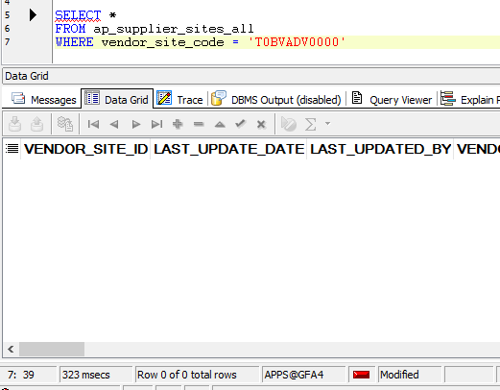

[SUPPLIER SET UP]

[PO CREATION]

SELECT *
FROM po_headers_all
WHERE segment1 = '6539903'

PO_HEADER_ID | AGENT_ID | TYPE_LOOKUP_CODE | LAST_UPDATE_DATE | LAST_UPDATED_BY | SEGMENT1 | SUMMARY_FLAG | ENABLED_FLAG | SEGMENT2 | SEGMENT3 | SEGMENT4 | SEGMENT5 | START_DATE_ACTIVE | END_DATE_ACTIVE | LAST_UPDATE_LOGIN | CREATION_DATE | CREATED_BY | VENDOR_ID | VENDOR_SITE_ID | VENDOR_CONTACT_ID | SHIP_TO_LOCATION_ID | BILL_TO_LOCATION_ID | TERMS_ID | SHIP_VIA_LOOKUP_CODE | FOB_LOOKUP_CODE | FREIGHT_TERMS_LOOKUP_CODE | STATUS_LOOKUP_CODE | CURRENCY_CODE | RATE_TYPE | RATE_DATE | RATE | FROM_HEADER_ID | FROM_TYPE_LOOKUP_CODE | START_DATE | END_DATE | BLANKET_TOTAL_AMOUNT | AUTHORIZATION_STATUS | REVISION_NUM | REVISED_DATE | APPROVED_FLAG | APPROVED_DATE | AMOUNT_LIMIT | MIN_RELEASE_AMOUNT | NOTE_TO_AUTHORIZER | NOTE_TO_VENDOR | NOTE_TO_RECEIVER | PRINT_COUNT | PRINTED_DATE | VENDOR_ORDER_NUM | CONFIRMING_ORDER_FLAG | COMMENTS | REPLY_DATE | REPLY_METHOD_LOOKUP_CODE | RFQ_CLOSE_DATE | QUOTE_TYPE_LOOKUP_CODE | QUOTATION_CLASS_CODE | QUOTE_WARNING_DELAY_UNIT | QUOTE_WARNING_DELAY | QUOTE_VENDOR_QUOTE_NUMBER | ACCEPTANCE_REQUIRED_FLAG | ACCEPTANCE_DUE_DATE | CLOSED_DATE | USER_HOLD_FLAG | APPROVAL_REQUIRED_FLAG | CANCEL_FLAG | FIRM_STATUS_LOOKUP_CODE | FIRM_DATE | FROZEN_FLAG | SUPPLY_AGREEMENT_FLAG | EDI_PROCESSED_FLAG | EDI_PROCESSED_STATUS | ATTRIBUTE_CATEGORY | ATTRIBUTE1 | ATTRIBUTE2 | ATTRIBUTE3 | ATTRIBUTE4 | ATTRIBUTE5 | ATTRIBUTE6 | ATTRIBUTE7 | ATTRIBUTE8 | ATTRIBUTE9 | ATTRIBUTE10 | ATTRIBUTE11 | ATTRIBUTE12 | ATTRIBUTE13 | ATTRIBUTE14 | ATTRIBUTE15 | CLOSED_CODE | USSGL_TRANSACTION_CODE | GOVERNMENT_CONTEXT | REQUEST_ID | PROGRAM_APPLICATION_ID | PROGRAM_ID | PROGRAM_UPDATE_DATE | ORG_ID | GLOBAL_ATTRIBUTE_CATEGORY | GLOBAL_ATTRIBUTE1 | GLOBAL_ATTRIBUTE2 | GLOBAL_ATTRIBUTE3 | GLOBAL_ATTRIBUTE4 | GLOBAL_ATTRIBUTE5 | GLOBAL_ATTRIBUTE6 | GLOBAL_ATTRIBUTE7 | GLOBAL_ATTRIBUTE8 | GLOBAL_ATTRIBUTE9 | GLOBAL_ATTRIBUTE10 | GLOBAL_ATTRIBUTE11 | GLOBAL_ATTRIBUTE12 | GLOBAL_ATTRIBUTE13 | GLOBAL_ATTRIBUTE14 | GLOBAL_ATTRIBUTE15 | GLOBAL_ATTRIBUTE16 | GLOBAL_ATTRIBUTE17 | GLOBAL_ATTRIBUTE18 | GLOBAL_ATTRIBUTE19 | GLOBAL_ATTRIBUTE20 | INTERFACE_SOURCE_CODE | REFERENCE_NUM | WF_ITEM_TYPE | WF_ITEM_KEY | MRC_RATE_TYPE | MRC_RATE_DATE | MRC_RATE | PCARD_ID | PRICE_UPDATE_TOLERANCE | PAY_ON_CODE | XML_FLAG | XML_SEND_DATE | XML_CHANGE_SEND_DATE | GLOBAL_AGREEMENT_FLAG | CONSIGNED_CONSUMPTION_FLAG | CBC_ACCOUNTING_DATE | CONSUME_REQ_DEMAND_FLAG | CHANGE_REQUESTED_BY | SHIPPING_CONTROL | CONTERMS_EXIST_FLAG | CONTERMS_ARTICLES_UPD_DATE | CONTERMS_DELIV_UPD_DATE | ENCUMBRANCE_REQUIRED_FLAG | PENDING_SIGNATURE_FLAG | CHANGE_SUMMARY | DOCUMENT_CREATION_METHOD | SUBMIT_DATE | SUPPLIER_NOTIF_METHOD | FAX | EMAIL_ADDRESS | RETRO_PRICE_COMM_UPDATES_FLAG | RETRO_PRICE_APPLY_UPDATES_FLAG | UPDATE_SOURCING_RULES_FLAG | AUTO_SOURCING_FLAG | CREATED_LANGUAGE | CPA_REFERENCE | LOCK_OWNER_ROLE | LOCK_OWNER_USER_ID | SUPPLIER_AUTH_ENABLED_FLAG | CAT_ADMIN_AUTH_ENABLED_FLAG | STYLE_ID | TAX_ATTRIBUTE_UPDATE_CODE | LAST_UPDATED_PROGRAM | ENABLE_ALL_SITES | PAY_WHEN_PAID | COMM_REV_NUM | CLM_DOCUMENT_NUMBER | OTM_STATUS_CODE | OTM_RECOVERY_FLAG | AME_APPROVAL_ID | AME_TRANSACTION_TYPE
7397884 | 14563 | STANDARD | 2/28/19 | 4253 | 6539903 | N | Y |  |  |  |  |  |  | -1 | 2/26/19 | 10622 | 254305 | 296325 |  | 143 | 143 | 10004 |  |  |  |  | USD |  | 2019-02-26 |  |  |  |  |  |  | APPROVED | 0 |  | Y | 2/28/19 |  |  |  |  |  | 0 |  |  | N |  |  |  |  |  |  |  |  |  | N |  |  |  |  |  | N |  | N |  |  |  |  |  |  | EXW | IMPORTED |  |  |  |  |  |  |  |  |  |  | PRINTED | OPEN |  |  |  |  |  |  | 101 |  |  |  |  |  |  |  |  |  |  |  |  |  |  |  |  |  |  |  |  |  |  |  | POAPPRV | 7397884-148235 |  |  |  |  |  |  | N |  |  |  |  |  |  |  |  | N |  |  |  | N |  | AUTOCREATE | 2/26/19 | NONE |  |  |  |  |  |  |  |  |  |  |  |  | 1

Recovery
STEPS | RECOVERY | PIC | STATUS | DATE | REMARKS
1 | Reverse all transactions involving the incorrect Supplier/Site code | MPD/LOD | Completed | 4/25/2019
2 | Perform PO cancellation | MPD/LOD | Completed | 4/26/2019 11:15:50 AM | Old PO Number: 6539903
3 | Exclude the errored transactions (RCV and RTV) in PRAS-GAIA GL Interface | ISD | Completed | 4/26/2019 04:11:50 PM | Submitted Helpdesk: 4/26/2019 2:59:03 PM
4 | Amend the Supplier/Site Code in PRAS Supplier Master: Alter the Supplier/Site information | MPD | Completed | 4/29/2019 8:20:32 AM | From T0BVADV -> T0BVADB
5 | Create new PO using the correct Supplier/Site Code | MPD | Completed | 4/29/2019 8:38:06 AM | New PO Number: 6543610
6 | Perform RCV transaction | LOD | Completed | 4/29/2019 4:46:07 PM
7 | Verify the transferred RCV transactions in GAIA GL Application | FIA/ISD | Completed | 4/30/2019 3:05:12 AM | Already Transferred to GAIA

Step 1: Reverse all transactions involving the incorrect Supplier/Site code

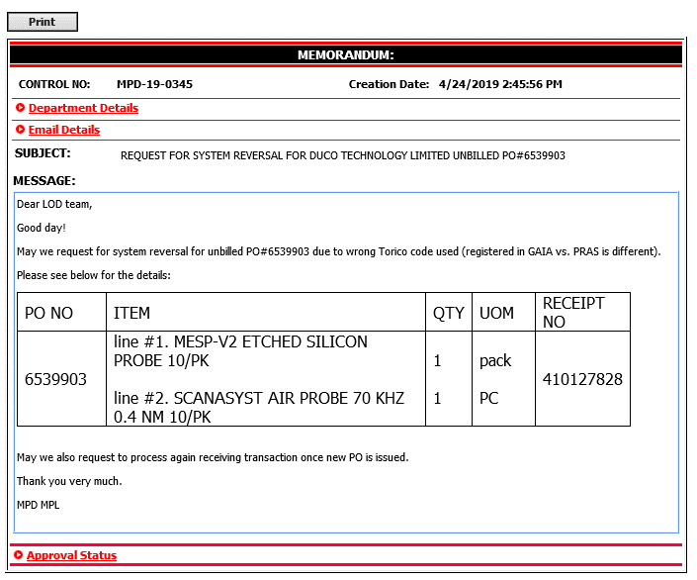
[MPD ISSUED MEMO]
 |  |  | [ERRORED REVERSE TRANSACTION IN GL] TRANSACTION_DATE: APRIL-25

Step 2: Perform PO cancellation

SELECT *
FROM po_headers_all
WHERE segment1 = '6539903'

[BEFORE] |  |  |  |  |  | [BACKEND]

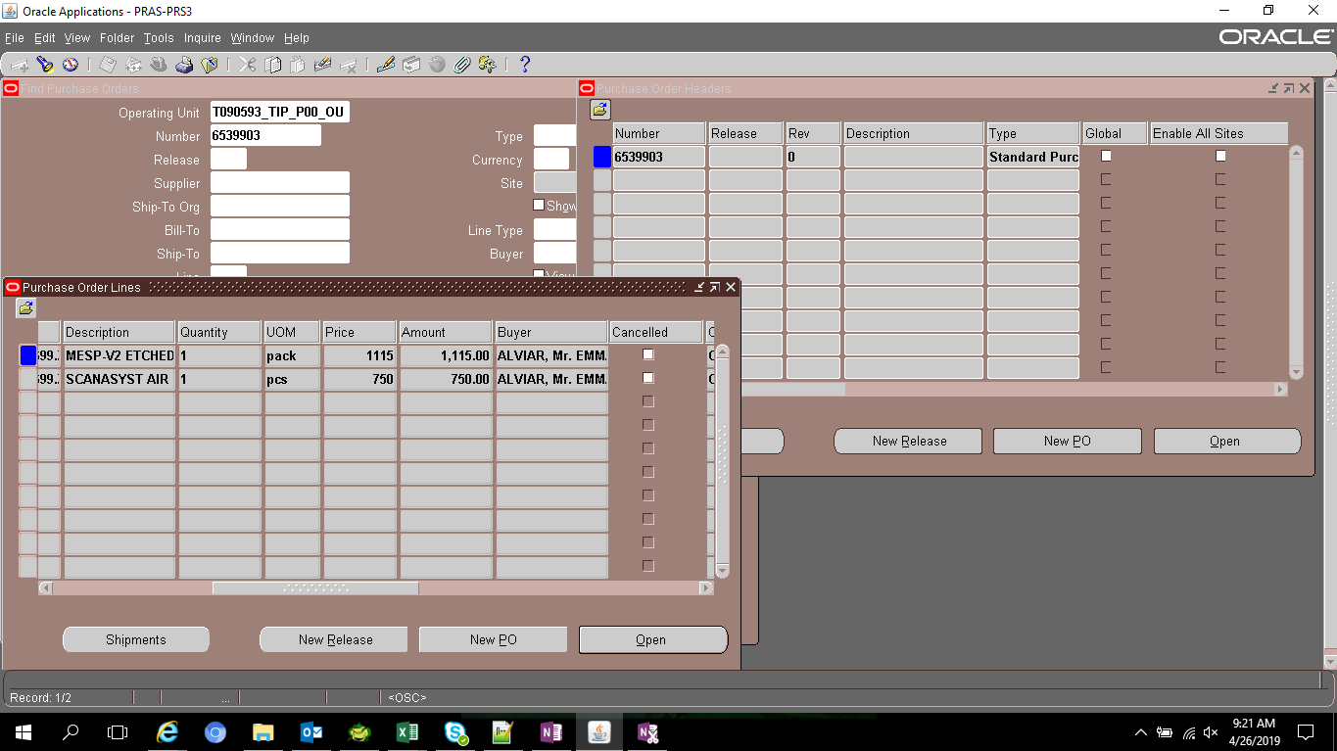


[AFTER] |  |  |  |  |  | [BACKEND]

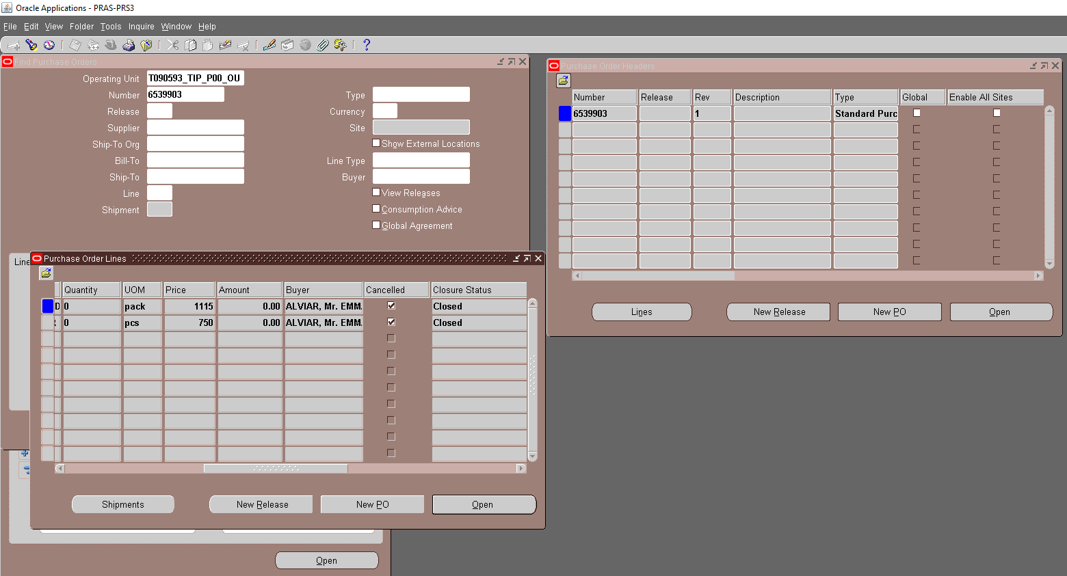

Step 3: Exclude the errored transactions (RCV and RTV) in PRAS-GAIA GL Interface

[RECOVERY SCRIPT]

UPDATE xx00ifgl_journal_stg_all
SET process_status = 'INTERFACED'
error_flag = 'Y'
error_message = 'Incorrect Vendor Site Code: Cancelled 26-APR-2019: HR#2019-4-14563 '
WHERE je_header_num IN ('2532651',
'2534088',
'2558045',
'2558085')
AND process_status != 'INTERFACED';

JE_HEADER_NUM | JE_LINE_NUM | JE_CATEGORY_KEY | USER_JE_SOURCE_NAME | ACCOUNTING_DATE | CR_DR_FLAG | PERIOD_NAME | REFERENCE1 | REFERENCE2 | REFERENCE4 | REFERENCE5 | REFERENCE6 | REFERENCE7 | REFERENCE8 | REFERENCE9 | REFERENCE10 | JGZZ_RECON_REF | TAX_REGIME_CODE | TAX | TAX_STATUS_CODE | TAX_JURISDICTION_CODE | TAX_RATE_CODE | TAX_RATE | TAX_LINE_GROUP | SEGMENT1 | SEGMENT2 | SEGMENT3 | SEGMENT4 | SEGMENT5 | SEGMENT6 | SEGMENT7 | SEGMENT8 | SEGMENT9 | SEGMENT10 | SEGMENT11 | CODE_COMBINATION_ID | ATTRIBUTE1 | ATTRIBUTE2 | ATTRIBUTE3 | ATTRIBUTE4 | ATTRIBUTE5 | ATTRIBUTE6 | ATTRIBUTE7 | ATTRIBUTE8 | ATTRIBUTE9 | ATTRIBUTE10 | ATTRIBUTE11 | ATTRIBUTE12 | ATTRIBUTE13 | ATTRIBUTE14 | ATTRIBUTE15 | ATTRIBUTE16 | ATTRIBUTE17 | ATTRIBUTE18 | ATTRIBUTE19 | ATTRIBUTE20 | XX_ATTRIBUTE1 | XX_ATTRIBUTE2 | XX_ATTRIBUTE3 | XX_ATTRIBUTE4 | XX_ATTRIBUTE5 | XX_ATTRIBUTE6 | XX_ATTRIBUTE7 | XX_ATTRIBUTE8 | XX_ATTRIBUTE9 | XX_ATTRIBUTE10 | XX_ATTRIBUTE11 | XX_ATTRIBUTE12 | XX_ATTRIBUTE13 | XX_ATTRIBUTE14 | XX_ATTRIBUTE15 | XX_ATTRIBUTE16 | XX_ATTRIBUTE17 | XX_ATTRIBUTE18 | XX_ATTRIBUTE19 | XX_ATTRIBUTE20 | XX_ATTRIBUTE21 | XX_ATTRIBUTE22 | XX_ATTRIBUTE23 | XX_ATTRIBUTE24 | XX_ATTRIBUTE25 | XX_ATTRIBUTE26 | XX_ATTRIBUTE27 | XX_ATTRIBUTE28 | XX_ATTRIBUTE29 | XX_ATTRIBUTE30 | XX_ATTRIBUTE31 | XX_ATTRIBUTE32 | XX_ATTRIBUTE33 | XX_ATTRIBUTE34 | XX_ATTRIBUTE35 | XX_ATTRIBUTE36 | XX_ATTRIBUTE37 | XX_ATTRIBUTE38 | XX_ATTRIBUTE39 | XX_ATTRIBUTE40 | XX_ATTRIBUTE41 | XX_ATTRIBUTE42 | XX_ATTRIBUTE43 | XX_ATTRIBUTE44 | XX_ATTRIBUTE45 | ENTERED_DR | ENTERED_CR | ACCOUNTED_DR | ACCOUNTED_CR | CURRENCY_CODE | CURRENCY_CONVERSION_DATE | USER_CURRENCY_CONVERSION_TYPE | CURRENCY_CONVERSION_RATE | STATUS | ACTUAL_FLAG | LEDGER_NAME | INVOICE_ID | DISTRIBUTION_LINE_NUMBER | PROCESS_STATUS | ERROR_FLAG | ERROR_MESSAGE | LEGAL_ENTITY_ID | CREATED_BY | CREATION_DATE | LAST_UPDATED_BY | LAST_UPDATE_DATE | LAST_UPDATE_LOGIN | REQUEST_ID | PROGRAM_APPLICATION_ID | PROGRAM_ID | PROGRAM_UPDATE_DATE | ORG_ID | TRANSACTION_ID
2532651 | 1 | Receiving | Cost Management | 2019-04-01 | C | Apr-19 |  |  |  | 2532651 |  |  |  |  | 6539903 DUCO TECHNOLOGY LIMITED T0BVADV0000 |  | PHL_REGIME | PHL_VAT | PHL_TAX_STATUS | PHL_JUR | PHLV00 | 0 |  | T090593 | M10 | L10 | 0 | 20201140 | 0 | 0 | PHL | 0 | 0 | 0 | 5073 |  |  |  |  |  |  |  |  |  |  | T0BVADV0000 |  | pcs |  |  |  |  |  |  |  |  |  |  |  |  |  |  |  |  |  |  |  |  |  |  |  |  |  |  |  |  |  |  |  |  |  |  |  |  |  |  |  |  |  |  |  |  |  |  |  |  |  |  |  |  |  | 750 |  | 750 | USD | 2019-04-01 |  | 1 | U | A | T090593_TIP_IFRS |  |  | ERROR CHECK FAIL | Y | 1-461-46*****XXGFAAU_CHK_B01_00002inter company code get error*****XXGFAAU_CHK_A28_20411DFF_SEGMENT_11 value of table validation segment error.Source AFF:T090593.M10.L10.0000000.20201140.0000.00000.PHL.0000000.000000.0000 | 23285 | 5023 | 4/11/19 | 5023 | 4/11/19 | 31559676 | 30849619 | 20009 | 64381 | 4/11/19 | 101 | 10055515
2532651 | 2 | Receiving | Cost Management | 2019-04-01 | D | Apr-19 |  |  |  | 2532651 |  |  |  |  | 6539903 DUCO TECHNOLOGY LIMITED T0BVADV0000 |  | PHL_REGIME | PHL_VAT | PHL_TAX_STATUS | PHL_JUR | PHLV00 | 0 |  | T090593 | A99 | L10 | 0 | 11851110 | 0 | 0 | PHL | 0 | 0 | 0 | 2019 |  |  |  |  |  |  |  |  |  |  | T0BVADV0000 |  | pcs |  |  |  |  |  |  |  |  |  |  |  |  |  |  |  |  |  |  |  |  |  |  |  |  |  |  |  |  |  |  |  |  |  |  |  |  |  |  |  |  |  |  |  |  |  |  |  |  |  |  |  |  | 750 |  | 750 |  | USD | 2019-04-01 |  | 1 | U | A | T090593_TIP_IFRS |  |  | EXTRACTED |  |  | 23285 | 5023 | 4/11/19 | 5023 | 4/11/19 | 31559676 | 30849619 | 20009 | 64381 | 4/11/19 | 101 | 10055515
2534088 | 1 | Receiving | Cost Management | 2019-04-01 | C | Apr-19 |  |  |  | 2534088 |  |  |  |  | 6539903 DUCO TECHNOLOGY LIMITED T0BVADV0000 |  | PHL_REGIME | PHL_VAT | PHL_TAX_STATUS | PHL_JUR | PHLV00 | 0 |  | T090593 | M10 | L10 | 0 | 20201140 | 0 | 0 | PHL | 0 | 0 | 0 | 5073 |  |  |  |  |  |  |  |  |  |  | T0BVADV0000 |  | pack |  |  |  |  |  |  |  |  |  |  |  |  |  |  |  |  |  |  |  |  |  |  |  |  |  |  |  |  |  |  |  |  |  |  |  |  |  |  |  |  |  |  |  |  |  |  |  |  |  |  |  |  |  | 1115 |  | 1115 | USD | 2019-04-01 |  | 1 | U | A | T090593_TIP_IFRS |  |  | ERROR CHECK FAIL | Y | 1-461-46*****XXGFAAU_CHK_B01_00002inter company code get error*****XXGFAAU_CHK_A28_20411DFF_SEGMENT_11 value of table validation segment error.Source AFF:T090593.M10.L10.0000000.20201140.0000.00000.PHL.0000000.000000.0000 | 23285 | 5023 | 4/11/19 | 5023 | 4/11/19 | 31559676 | 30849619 | 20009 | 64381 | 4/11/19 | 101 | 10055513
2534088 | 2 | Receiving | Cost Management | 2019-04-01 | D | Apr-19 |  |  |  | 2534088 |  |  |  |  | 6539903 DUCO TECHNOLOGY LIMITED T0BVADV0000 |  | PHL_REGIME | PHL_VAT | PHL_TAX_STATUS | PHL_JUR | PHLV00 | 0 |  | T090593 | A99 | L10 | 0 | 11851110 | 0 | 0 | PHL | 0 | 0 | 0 | 2019 |  |  |  |  |  |  |  |  |  |  | T0BVADV0000 |  | pack |  |  |  |  |  |  |  |  |  |  |  |  |  |  |  |  |  |  |  |  |  |  |  |  |  |  |  |  |  |  |  |  |  |  |  |  |  |  |  |  |  |  |  |  |  |  |  |  |  |  |  |  | 1115 |  | 1115 |  | USD | 2019-04-01 |  | 1 | U | A | T090593_TIP_IFRS |  |  | EXTRACTED |  |  | 23285 | 5023 | 4/11/19 | 5023 | 4/11/19 | 31559676 | 30849619 | 20009 | 64381 | 4/11/19 | 101 | 10055513
2558045 | 1 | Receiving | Cost Management | 2019-04-25 | D | Apr-19 |  |  |  | 2558045 |  |  |  |  | 6539903 DUCO TECHNOLOGY LIMITED T0BVADV0000 |  | PHL_REGIME | PHL_VAT | PHL_TAX_STATUS | PHL_JUR | PHLV00 | 0 |  | T090593 | M10 | L10 | 0 | 20201140 | 0 | 0 | PHL | 0 | 0 | 0 | 5073 |  |  |  |  |  |  |  |  |  |  | T0BVADV0000 |  | pcs |  |  |  |  |  |  |  |  |  |  |  |  |  |  |  |  |  |  |  |  |  |  |  |  |  |  |  |  |  |  |  |  |  |  |  |  |  |  |  |  |  |  |  |  |  |  |  |  |  |  |  |  | 750 |  | 750 |  | USD | 2019-04-01 |  | 1 | U | A | T090593_TIP_IFRS |  |  | ERROR CHECK FAIL | Y | *****1-46XXGFAAU_CHK_B01_00002inter company code get error*****1-46XXGFAAU_CHK_A28_20411DFF_SEGMENT_11 value of table validation segment error.Source AFF:T090593.M10.L10.0000000.20201140.0000.00000.PHL.0000000.000000.0000 | 23285 | 5023 | 4/25/19 | 5023 | 4/25/19 | 31819464 | 31098055 | 20009 | 64381 | 4/25/19 | 101 | 10131990
2558045 | 2 | Receiving | Cost Management | 2019-04-25 | C | Apr-19 |  |  |  | 2558045 |  |  |  |  | 6539903 DUCO TECHNOLOGY LIMITED T0BVADV0000 |  | PHL_REGIME | PHL_VAT | PHL_TAX_STATUS | PHL_JUR | PHLV00 | 0 |  | T090593 | A99 | L10 | 0 | 11851110 | 0 | 0 | PHL | 0 | 0 | 0 | 2019 |  |  |  |  |  |  |  |  |  |  | T0BVADV0000 |  | pcs |  |  |  |  |  |  |  |  |  |  |  |  |  |  |  |  |  |  |  |  |  |  |  |  |  |  |  |  |  |  |  |  |  |  |  |  |  |  |  |  |  |  |  |  |  |  |  |  |  |  |  |  |  | 750 |  | 750 | USD | 2019-04-01 |  | 1 | U | A | T090593_TIP_IFRS |  |  | EXTRACTED |  |  | 23285 | 5023 | 4/25/19 | 5023 | 4/25/19 | 31819464 | 31098055 | 20009 | 64381 | 4/25/19 | 101 | 10131990
2558085 | 1 | Receiving | Cost Management | 2019-04-25 | D | Apr-19 |  |  |  | 2558085 |  |  |  |  | 6539903 DUCO TECHNOLOGY LIMITED T0BVADV0000 |  | PHL_REGIME | PHL_VAT | PHL_TAX_STATUS | PHL_JUR | PHLV00 | 0 |  | T090593 | M10 | L10 | 0 | 20201140 | 0 | 0 | PHL | 0 | 0 | 0 | 5073 |  |  |  |  |  |  |  |  |  |  | T0BVADV0000 |  | pack |  |  |  |  |  |  |  |  |  |  |  |  |  |  |  |  |  |  |  |  |  |  |  |  |  |  |  |  |  |  |  |  |  |  |  |  |  |  |  |  |  |  |  |  |  |  |  |  |  |  |  |  | 1115 |  | 1115 |  | USD | 2019-04-01 |  | 1 | U | A | T090593_TIP_IFRS |  |  | ERROR CHECK FAIL | Y | *****1-46XXGFAAU_CHK_B01_00002inter company code get error*****1-46XXGFAAU_CHK_A28_20411DFF_SEGMENT_11 value of table validation segment error.Source AFF:T090593.M10.L10.0000000.20201140.0000.00000.PHL.0000000.000000.0000 | 23285 | 5023 | 4/25/19 | 5023 | 4/25/19 | 31819464 | 31098055 | 20009 | 64381 | 4/25/19 | 101 | 10131992
2558085 | 2 | Receiving | Cost Management | 2019-04-25 | C | Apr-19 |  |  |  | 2558085 |  |  |  |  | 6539903 DUCO TECHNOLOGY LIMITED T0BVADV0000 |  | PHL_REGIME | PHL_VAT | PHL_TAX_STATUS | PHL_JUR | PHLV00 | 0 |  | T090593 | A99 | L10 | 0 | 11851110 | 0 | 0 | PHL | 0 | 0 | 0 | 2019 |  |  |  |  |  |  |  |  |  |  | T0BVADV0000 |  | pack |  |  |  |  |  |  |  |  |  |  |  |  |  |  |  |  |  |  |  |  |  |  |  |  |  |  |  |  |  |  |  |  |  |  |  |  |  |  |  |  |  |  |  |  |  |  |  |  |  |  |  |  |  | 1115 |  | 1115 | USD | 2019-04-01 |  | 1 | U | A | T090593_TIP_IFRS |  |  | EXTRACTED |  |  | 23285 | 5023 | 4/25/19 | 5023 | 4/25/19 | 31819464 | 31098055 | 20009 | 64381 | 4/25/19 | 101 | 10131992

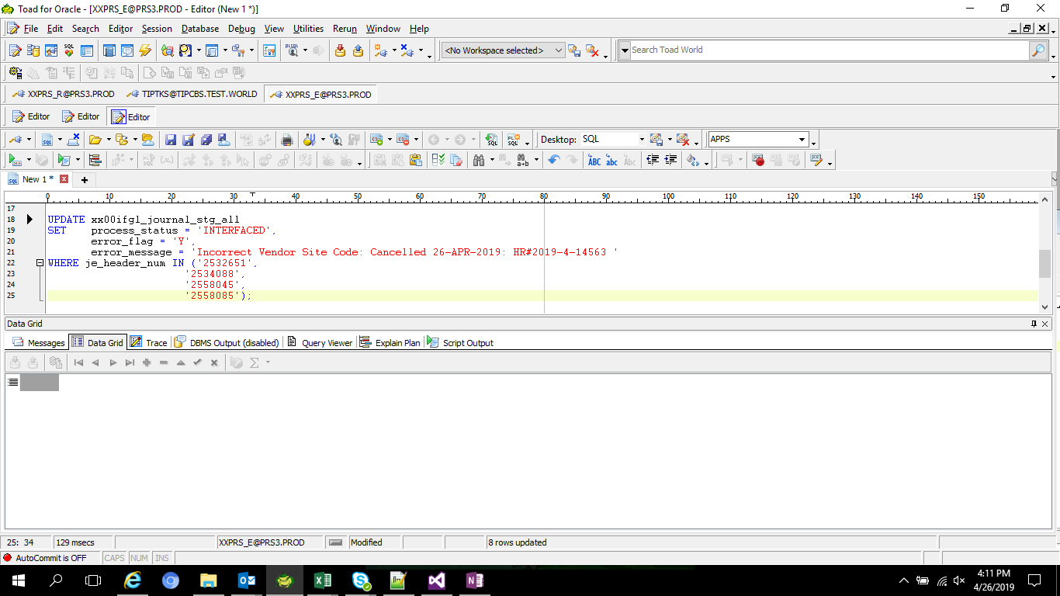

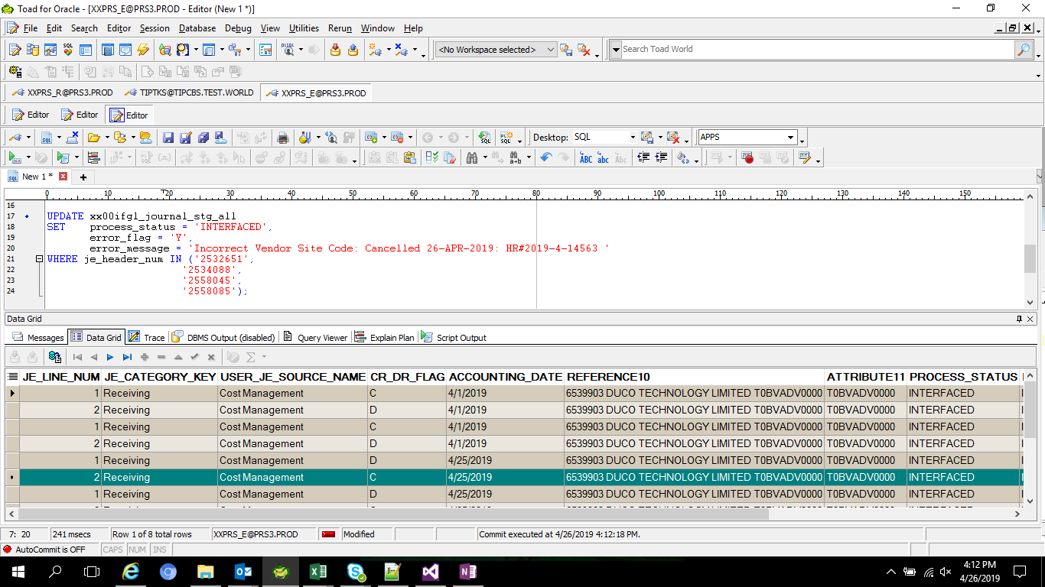

Step 4: Amend the Supplier/Site Code in PRAS Supplier Master: Alter the Supplier/Site information

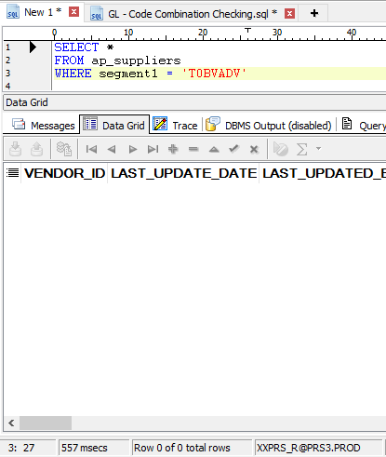
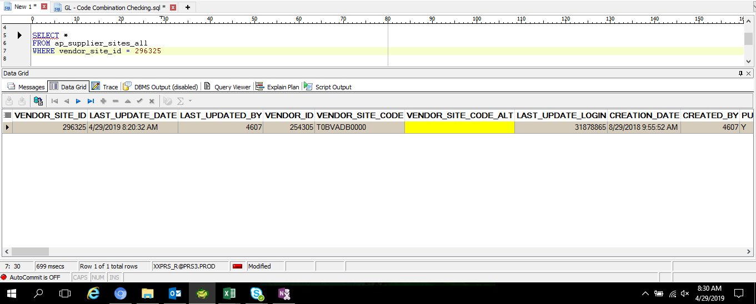

[PRAS]

SELECT *
FROM ap_suppliers
WHERE segment1 = 'T0BVADB'

VENDOR_ID | LAST_UPDATE_DATE | LAST_UPDATED_BY | VENDOR_NAME | VENDOR_NAME_ALT | SEGMENT1 | SUMMARY_FLAG | ENABLED_FLAG | SEGMENT2 | SEGMENT3 | SEGMENT4 | SEGMENT5 | LAST_UPDATE_LOGIN | CREATION_DATE | CREATED_BY | EMPLOYEE_ID | VENDOR_TYPE_LOOKUP_CODE | CUSTOMER_NUM | ONE_TIME_FLAG | PARENT_VENDOR_ID | MIN_ORDER_AMOUNT | SHIP_TO_LOCATION_ID | BILL_TO_LOCATION_ID | SHIP_VIA_LOOKUP_CODE | FREIGHT_TERMS_LOOKUP_CODE | FOB_LOOKUP_CODE | TERMS_ID | SET_OF_BOOKS_ID | CREDIT_STATUS_LOOKUP_CODE | CREDIT_LIMIT | ALWAYS_TAKE_DISC_FLAG | PAY_DATE_BASIS_LOOKUP_CODE | PAY_GROUP_LOOKUP_CODE | PAYMENT_PRIORITY | INVOICE_CURRENCY_CODE | PAYMENT_CURRENCY_CODE | INVOICE_AMOUNT_LIMIT | EXCHANGE_DATE_LOOKUP_CODE | HOLD_ALL_PAYMENTS_FLAG | HOLD_FUTURE_PAYMENTS_FLAG | HOLD_REASON | DISTRIBUTION_SET_ID | ACCTS_PAY_CODE_COMBINATION_ID | DISC_LOST_CODE_COMBINATION_ID | DISC_TAKEN_CODE_COMBINATION_ID | EXPENSE_CODE_COMBINATION_ID | PREPAY_CODE_COMBINATION_ID | NUM_1099 | TYPE_1099 | WITHHOLDING_STATUS_LOOKUP_CODE | WITHHOLDING_START_DATE | ORGANIZATION_TYPE_LOOKUP_CODE | VAT_CODE | START_DATE_ACTIVE | END_DATE_ACTIVE | MINORITY_GROUP_LOOKUP_CODE | PAYMENT_METHOD_LOOKUP_CODE | BANK_ACCOUNT_NAME | BANK_ACCOUNT_NUM | BANK_NUM | BANK_ACCOUNT_TYPE | WOMEN_OWNED_FLAG | SMALL_BUSINESS_FLAG | STANDARD_INDUSTRY_CLASS | HOLD_FLAG | PURCHASING_HOLD_REASON | HOLD_BY | HOLD_DATE | TERMS_DATE_BASIS | PRICE_TOLERANCE | INSPECTION_REQUIRED_FLAG | RECEIPT_REQUIRED_FLAG | QTY_RCV_TOLERANCE | QTY_RCV_EXCEPTION_CODE | ENFORCE_SHIP_TO_LOCATION_CODE | DAYS_EARLY_RECEIPT_ALLOWED | DAYS_LATE_RECEIPT_ALLOWED | RECEIPT_DAYS_EXCEPTION_CODE | RECEIVING_ROUTING_ID | ALLOW_SUBSTITUTE_RECEIPTS_FLAG | ALLOW_UNORDERED_RECEIPTS_FLAG | HOLD_UNMATCHED_INVOICES_FLAG | EXCLUSIVE_PAYMENT_FLAG | AP_TAX_ROUNDING_RULE | AUTO_TAX_CALC_FLAG | AUTO_TAX_CALC_OVERRIDE | AMOUNT_INCLUDES_TAX_FLAG | TAX_VERIFICATION_DATE | NAME_CONTROL | STATE_REPORTABLE_FLAG | FEDERAL_REPORTABLE_FLAG | ATTRIBUTE_CATEGORY | ATTRIBUTE1 | ATTRIBUTE2 | ATTRIBUTE3 | ATTRIBUTE4 | ATTRIBUTE5 | ATTRIBUTE6 | ATTRIBUTE7 | ATTRIBUTE8 | ATTRIBUTE9 | ATTRIBUTE10 | ATTRIBUTE11 | ATTRIBUTE12 | ATTRIBUTE13 | ATTRIBUTE14 | ATTRIBUTE15 | REQUEST_ID | PROGRAM_APPLICATION_ID | PROGRAM_ID | PROGRAM_UPDATE_DATE | OFFSET_VAT_CODE | VAT_REGISTRATION_NUM | AUTO_CALCULATE_INTEREST_FLAG | VALIDATION_NUMBER | EXCLUDE_FREIGHT_FROM_DISCOUNT | TAX_REPORTING_NAME | CHECK_DIGITS | BANK_NUMBER | ALLOW_AWT_FLAG | AWT_GROUP_ID | GLOBAL_ATTRIBUTE1 | GLOBAL_ATTRIBUTE2 | GLOBAL_ATTRIBUTE3 | GLOBAL_ATTRIBUTE4 | GLOBAL_ATTRIBUTE5 | GLOBAL_ATTRIBUTE6 | GLOBAL_ATTRIBUTE7 | GLOBAL_ATTRIBUTE8 | GLOBAL_ATTRIBUTE9 | GLOBAL_ATTRIBUTE10 | GLOBAL_ATTRIBUTE11 | GLOBAL_ATTRIBUTE12 | GLOBAL_ATTRIBUTE13 | GLOBAL_ATTRIBUTE14 | GLOBAL_ATTRIBUTE15 | GLOBAL_ATTRIBUTE16 | GLOBAL_ATTRIBUTE17 | GLOBAL_ATTRIBUTE18 | GLOBAL_ATTRIBUTE19 | GLOBAL_ATTRIBUTE20 | GLOBAL_ATTRIBUTE_CATEGORY | EDI_TRANSACTION_HANDLING | EDI_PAYMENT_METHOD | EDI_PAYMENT_FORMAT | EDI_REMITTANCE_METHOD | EDI_REMITTANCE_INSTRUCTION | BANK_CHARGE_BEARER | BANK_BRANCH_TYPE | MATCH_OPTION | FUTURE_DATED_PAYMENT_CCID | CREATE_DEBIT_MEMO_FLAG | OFFSET_TAX_FLAG | PARTY_ID | PARENT_PARTY_ID | NI_NUMBER | TCA_SYNC_NUM_1099 | TCA_SYNC_VENDOR_NAME | TCA_SYNC_VAT_REG_NUM | INDIVIDUAL_1099 | UNIQUE_TAX_REFERENCE_NUM | PARTNERSHIP_UTR | PARTNERSHIP_NAME | CIS_ENABLED_FLAG | FIRST_NAME | SECOND_NAME | LAST_NAME | SALUTATION | TRADING_NAME | WORK_REFERENCE | COMPANY_REGISTRATION_NUMBER | NATIONAL_INSURANCE_NUMBER | VERIFICATION_NUMBER | VERIFICATION_REQUEST_ID | MATCH_STATUS_FLAG | CIS_VERIFICATION_DATE | PAY_AWT_GROUP_ID | CIS_PARENT_VENDOR_ID | BUS_CLASS_LAST_CERTIFIED_DATE | BUS_CLASS_LAST_CERTIFIED_BY
254305 | 4/29/19 | 4607 | DUCO TECHNOLOGY LIMITED |  | T0BVADB | N | Y |  |  |  |  | 31878865 | 8/29/18 | 4607 |  | VENDOR |  | N |  |  |  |  |  |  |  |  |  |  |  | N | DISCOUNT |  | 99 |  |  |  |  | N | N |  |  |  |  |  |  |  |  |  |  |  |  |  | 2018-08-29 |  |  |  |  |  |  |  | N | N |  | N |  |  |  | Invoice |  | N | Y |  | REJECT | WARNING |  |  | WARNING | 1 | N | N | N |  |  |  |  |  |  |  |  | N |  |  |  |  |  |  |  |  |  |  |  |  |  |  |  |  | -1 | -1 | -1 | 4/29/19 |  |  | N |  | N |  |  |  |  |  |  |  |  |  |  |  |  |  |  |  |  |  |  |  |  |  |  |  |  |  |  |  |  |  |  |  |  |  | R |  |  |  | 525224 |  |  |  | DUCO TECHNOLOGY LIMITED

SELECT *
FROM ap_supplier_sites_all
WHERE vendor_site_id = 296325

VENDOR_SITE_ID | LAST_UPDATE_DATE | LAST_UPDATED_BY | VENDOR_ID | VENDOR_SITE_CODE | VENDOR_SITE_CODE_ALT | LAST_UPDATE_LOGIN | CREATION_DATE | CREATED_BY | PURCHASING_SITE_FLAG | RFQ_ONLY_SITE_FLAG | PAY_SITE_FLAG | ATTENTION_AR_FLAG | ADDRESS_LINE1 | ADDRESS_LINES_ALT | ADDRESS_LINE2 | ADDRESS_LINE3 | CITY | STATE | ZIP | PROVINCE | COUNTRY | AREA_CODE | PHONE | CUSTOMER_NUM | SHIP_TO_LOCATION_ID | BILL_TO_LOCATION_ID | SHIP_VIA_LOOKUP_CODE | FREIGHT_TERMS_LOOKUP_CODE | FOB_LOOKUP_CODE | INACTIVE_DATE | FAX | FAX_AREA_CODE | TELEX | PAYMENT_METHOD_LOOKUP_CODE | BANK_ACCOUNT_NAME | BANK_ACCOUNT_NUM | BANK_NUM | BANK_ACCOUNT_TYPE | TERMS_DATE_BASIS | CURRENT_CATALOG_NUM | VAT_CODE | DISTRIBUTION_SET_ID | ACCTS_PAY_CODE_COMBINATION_ID | PREPAY_CODE_COMBINATION_ID | PAY_GROUP_LOOKUP_CODE | PAYMENT_PRIORITY | TERMS_ID | INVOICE_AMOUNT_LIMIT | PAY_DATE_BASIS_LOOKUP_CODE | ALWAYS_TAKE_DISC_FLAG | INVOICE_CURRENCY_CODE | PAYMENT_CURRENCY_CODE | HOLD_ALL_PAYMENTS_FLAG | HOLD_FUTURE_PAYMENTS_FLAG | HOLD_REASON | HOLD_UNMATCHED_INVOICES_FLAG | AP_TAX_ROUNDING_RULE | AUTO_TAX_CALC_FLAG | AUTO_TAX_CALC_OVERRIDE | AMOUNT_INCLUDES_TAX_FLAG | EXCLUSIVE_PAYMENT_FLAG | TAX_REPORTING_SITE_FLAG | ATTRIBUTE_CATEGORY | ATTRIBUTE1 | ATTRIBUTE2 | ATTRIBUTE3 | ATTRIBUTE4 | ATTRIBUTE5 | ATTRIBUTE6 | ATTRIBUTE7 | ATTRIBUTE8 | ATTRIBUTE9 | ATTRIBUTE10 | ATTRIBUTE11 | ATTRIBUTE12 | ATTRIBUTE13 | ATTRIBUTE14 | ATTRIBUTE15 | REQUEST_ID | PROGRAM_APPLICATION_ID | PROGRAM_ID | PROGRAM_UPDATE_DATE | VALIDATION_NUMBER | EXCLUDE_FREIGHT_FROM_DISCOUNT | VAT_REGISTRATION_NUM | OFFSET_VAT_CODE | ORG_ID | CHECK_DIGITS | BANK_NUMBER | ADDRESS_LINE4 | COUNTY | ADDRESS_STYLE | LANGUAGE | ALLOW_AWT_FLAG | AWT_GROUP_ID | GLOBAL_ATTRIBUTE1 | GLOBAL_ATTRIBUTE2 | GLOBAL_ATTRIBUTE3 | GLOBAL_ATTRIBUTE4 | GLOBAL_ATTRIBUTE5 | GLOBAL_ATTRIBUTE6 | GLOBAL_ATTRIBUTE7 | GLOBAL_ATTRIBUTE8 | GLOBAL_ATTRIBUTE9 | GLOBAL_ATTRIBUTE10 | GLOBAL_ATTRIBUTE11 | GLOBAL_ATTRIBUTE12 | GLOBAL_ATTRIBUTE13 | GLOBAL_ATTRIBUTE14 | GLOBAL_ATTRIBUTE15 | GLOBAL_ATTRIBUTE16 | GLOBAL_ATTRIBUTE17 | GLOBAL_ATTRIBUTE18 | GLOBAL_ATTRIBUTE19 | GLOBAL_ATTRIBUTE20 | GLOBAL_ATTRIBUTE_CATEGORY | EDI_TRANSACTION_HANDLING | EDI_ID_NUMBER | EDI_PAYMENT_METHOD | EDI_PAYMENT_FORMAT | EDI_REMITTANCE_METHOD | BANK_CHARGE_BEARER | EDI_REMITTANCE_INSTRUCTION | BANK_BRANCH_TYPE | PAY_ON_CODE | DEFAULT_PAY_SITE_ID | PAY_ON_RECEIPT_SUMMARY_CODE | TP_HEADER_ID | ECE_TP_LOCATION_CODE | PCARD_SITE_FLAG | MATCH_OPTION | COUNTRY_OF_ORIGIN_CODE | FUTURE_DATED_PAYMENT_CCID | CREATE_DEBIT_MEMO_FLAG | OFFSET_TAX_FLAG | SUPPLIER_NOTIF_METHOD | EMAIL_ADDRESS | REMITTANCE_EMAIL | PRIMARY_PAY_SITE_FLAG | SHIPPING_CONTROL | SELLING_COMPANY_IDENTIFIER | GAPLESS_INV_NUM_FLAG | DUNS_NUMBER | TOLERANCE_ID | LOCATION_ID | PARTY_SITE_ID | SERVICES_TOLERANCE_ID | RETAINAGE_RATE | TCA_SYNC_STATE | TCA_SYNC_PROVINCE | TCA_SYNC_COUNTY | TCA_SYNC_CITY | TCA_SYNC_ZIP | TCA_SYNC_COUNTRY | PAY_AWT_GROUP_ID | CAGE_CODE | LEGAL_BUSINESS_NAME | DOING_BUS_AS_NAME | DIVISION_NAME | SMALL_BUSINESS_CODE | CCR_COMMENTS | DEBARMENT_START_DATE | DEBARMENT_END_DATE
296325 | 4/29/19 | 4607 | 254305 | T0BVADB0000 |  | 31878865 | 8/29/18 | 4607 | Y | N | Y | N | UNIT B, 9/F., WAH LIK IND CENTRE 459-469 |  | CASTLE PEAK ROAD, TSUEN WAN HK |  |  |  |  |  | HK |  |  |  | 143 | 143 |  |  |  |  |  |  |  |  |  |  |  |  | Invoice |  |  |  | 9050 | 2026 | PHLF06_MIZUHO$-INDIRECT | 99 | 10004 |  | DUE | N | USD | USD | N | N |  | N |  |  |  |  |  | N |  |  |  |  |  |  |  |  |  |  |  |  |  |  |  |  | -1 | -1 | -1 | 4/29/19 | 0 | N |  |  | 101 |  |  |  |  | POSTAL_ADDR_DEF |  | N |  |  |  |  |  |  |  |  |  |  |  |  |  |  |  |  |  |  |  |  |  |  |  |  |  |  |  | I |  |  |  |  |  |  |  | N | R | PH | 2030 |  |  |  |  |  | N |  |  | N |  |  | 9083 | 317250 |  |  |  |  |  |  |  | HK

Step 5: Create new PO using the correct Supplier/Site Code

SELECT *
FROM po_headers_all
WHERE segment1 = '6543610'

PO_HEADER_ID | AGENT_ID | TYPE_LOOKUP_CODE | LAST_UPDATE_DATE | LAST_UPDATED_BY | SEGMENT1 | SUMMARY_FLAG | ENABLED_FLAG | SEGMENT2 | SEGMENT3 | SEGMENT4 | SEGMENT5 | START_DATE_ACTIVE | END_DATE_ACTIVE | LAST_UPDATE_LOGIN | CREATION_DATE | CREATED_BY | VENDOR_ID | VENDOR_SITE_ID | VENDOR_CONTACT_ID | SHIP_TO_LOCATION_ID | BILL_TO_LOCATION_ID | TERMS_ID | SHIP_VIA_LOOKUP_CODE | FOB_LOOKUP_CODE | FREIGHT_TERMS_LOOKUP_CODE | STATUS_LOOKUP_CODE | CURRENCY_CODE | RATE_TYPE | RATE_DATE | RATE | FROM_HEADER_ID | FROM_TYPE_LOOKUP_CODE | START_DATE | END_DATE | BLANKET_TOTAL_AMOUNT | AUTHORIZATION_STATUS | REVISION_NUM | REVISED_DATE | APPROVED_FLAG | APPROVED_DATE | AMOUNT_LIMIT | MIN_RELEASE_AMOUNT | NOTE_TO_AUTHORIZER | NOTE_TO_VENDOR | NOTE_TO_RECEIVER | PRINT_COUNT | PRINTED_DATE | VENDOR_ORDER_NUM | CONFIRMING_ORDER_FLAG | COMMENTS | REPLY_DATE | REPLY_METHOD_LOOKUP_CODE | RFQ_CLOSE_DATE | QUOTE_TYPE_LOOKUP_CODE | QUOTATION_CLASS_CODE | QUOTE_WARNING_DELAY_UNIT | QUOTE_WARNING_DELAY | QUOTE_VENDOR_QUOTE_NUMBER | ACCEPTANCE_REQUIRED_FLAG | ACCEPTANCE_DUE_DATE | CLOSED_DATE | USER_HOLD_FLAG | APPROVAL_REQUIRED_FLAG | CANCEL_FLAG | FIRM_STATUS_LOOKUP_CODE | FIRM_DATE | FROZEN_FLAG | SUPPLY_AGREEMENT_FLAG | EDI_PROCESSED_FLAG | EDI_PROCESSED_STATUS | ATTRIBUTE_CATEGORY | ATTRIBUTE1 | ATTRIBUTE2 | ATTRIBUTE3 | ATTRIBUTE4 | ATTRIBUTE5 | ATTRIBUTE6 | ATTRIBUTE7 | ATTRIBUTE8 | ATTRIBUTE9 | ATTRIBUTE10 | ATTRIBUTE11 | ATTRIBUTE12 | ATTRIBUTE13 | ATTRIBUTE14 | ATTRIBUTE15 | CLOSED_CODE | USSGL_TRANSACTION_CODE | GOVERNMENT_CONTEXT | REQUEST_ID | PROGRAM_APPLICATION_ID | PROGRAM_ID | PROGRAM_UPDATE_DATE | ORG_ID | GLOBAL_ATTRIBUTE_CATEGORY | GLOBAL_ATTRIBUTE1 | GLOBAL_ATTRIBUTE2 | GLOBAL_ATTRIBUTE3 | GLOBAL_ATTRIBUTE4 | GLOBAL_ATTRIBUTE5 | GLOBAL_ATTRIBUTE6 | GLOBAL_ATTRIBUTE7 | GLOBAL_ATTRIBUTE8 | GLOBAL_ATTRIBUTE9 | GLOBAL_ATTRIBUTE10 | GLOBAL_ATTRIBUTE11 | GLOBAL_ATTRIBUTE12 | GLOBAL_ATTRIBUTE13 | GLOBAL_ATTRIBUTE14 | GLOBAL_ATTRIBUTE15 | GLOBAL_ATTRIBUTE16 | GLOBAL_ATTRIBUTE17 | GLOBAL_ATTRIBUTE18 | GLOBAL_ATTRIBUTE19 | GLOBAL_ATTRIBUTE20 | INTERFACE_SOURCE_CODE | REFERENCE_NUM | WF_ITEM_TYPE | WF_ITEM_KEY | MRC_RATE_TYPE | MRC_RATE_DATE | MRC_RATE | PCARD_ID | PRICE_UPDATE_TOLERANCE | PAY_ON_CODE | XML_FLAG | XML_SEND_DATE | XML_CHANGE_SEND_DATE | GLOBAL_AGREEMENT_FLAG | CONSIGNED_CONSUMPTION_FLAG | CBC_ACCOUNTING_DATE | CONSUME_REQ_DEMAND_FLAG | CHANGE_REQUESTED_BY | SHIPPING_CONTROL | CONTERMS_EXIST_FLAG | CONTERMS_ARTICLES_UPD_DATE | CONTERMS_DELIV_UPD_DATE | ENCUMBRANCE_REQUIRED_FLAG | PENDING_SIGNATURE_FLAG | CHANGE_SUMMARY | DOCUMENT_CREATION_METHOD | SUBMIT_DATE | SUPPLIER_NOTIF_METHOD | FAX | EMAIL_ADDRESS | RETRO_PRICE_COMM_UPDATES_FLAG | RETRO_PRICE_APPLY_UPDATES_FLAG | UPDATE_SOURCING_RULES_FLAG | AUTO_SOURCING_FLAG | CREATED_LANGUAGE | CPA_REFERENCE | LOCK_OWNER_ROLE | LOCK_OWNER_USER_ID | SUPPLIER_AUTH_ENABLED_FLAG | CAT_ADMIN_AUTH_ENABLED_FLAG | STYLE_ID | TAX_ATTRIBUTE_UPDATE_CODE | LAST_UPDATED_PROGRAM | ENABLE_ALL_SITES | PAY_WHEN_PAID | COMM_REV_NUM | CLM_DOCUMENT_NUMBER | OTM_STATUS_CODE | OTM_RECOVERY_FLAG | AME_APPROVAL_ID | AME_TRANSACTION_TYPE
7571790 | 14563 | STANDARD | 4/29/19 | 10622 | 6543610 | N | Y |  |  |  |  |  |  | -1 | 4/29/19 | 10622 | 254305 | 296325 |  | 143 | 143 | 10004 |  |  |  |  | USD |  | 2019-04-29 |  |  |  |  |  |  | IN PROCESS | 0 |  | N |  |  |  |  |  |  | 0 |  |  | N |  |  |  |  |  |  |  |  |  | N |  |  |  |  |  | N |  | N |  |  |  |  |  |  | EXW | IMPORTED |  |  |  |  |  |  |  |  |  |  |  | OPEN |  |  |  |  |  |  | 101 |  |  |  |  |  |  |  |  |  |  |  |  |  |  |  |  |  |  |  |  |  |  |  | POAPPRV | 7571790-539531 |  |  |  |  |  |  | N |  |  |  |  |  |  |  |  | N |  |  |  |  |  | AUTOCREATE | 4/29/19 | NONE |  |  |  |  |  |  |  |  |  |  |  |  | 1

SELECT *
FROM po_lines_all
WHERE po_header_id = 7571790

PO_LINE_ID | LAST_UPDATE_DATE | LAST_UPDATED_BY | PO_HEADER_ID | LINE_TYPE_ID | LINE_NUM | LAST_UPDATE_LOGIN | CREATION_DATE | CREATED_BY | ITEM_ID | ITEM_REVISION | CATEGORY_ID | ITEM_DESCRIPTION | UNIT_MEAS_LOOKUP_CODE | QUANTITY_COMMITTED | COMMITTED_AMOUNT | ALLOW_PRICE_OVERRIDE_FLAG | NOT_TO_EXCEED_PRICE | LIST_PRICE_PER_UNIT | UNIT_PRICE | QUANTITY | UN_NUMBER_ID | HAZARD_CLASS_ID | NOTE_TO_VENDOR | FROM_HEADER_ID | FROM_LINE_ID | MIN_ORDER_QUANTITY | MAX_ORDER_QUANTITY | QTY_RCV_TOLERANCE | OVER_TOLERANCE_ERROR_FLAG | MARKET_PRICE | UNORDERED_FLAG | CLOSED_FLAG | USER_HOLD_FLAG | CANCEL_FLAG | CANCELLED_BY | CANCEL_DATE | CANCEL_REASON | FIRM_STATUS_LOOKUP_CODE | FIRM_DATE | VENDOR_PRODUCT_NUM | CONTRACT_NUM | TAXABLE_FLAG | TAX_NAME | TYPE_1099 | CAPITAL_EXPENSE_FLAG | NEGOTIATED_BY_PREPARER_FLAG | ATTRIBUTE_CATEGORY | ATTRIBUTE1 | ATTRIBUTE2 | ATTRIBUTE3 | ATTRIBUTE4 | ATTRIBUTE5 | ATTRIBUTE6 | ATTRIBUTE7 | ATTRIBUTE8 | ATTRIBUTE9 | ATTRIBUTE10 | REFERENCE_NUM | ATTRIBUTE11 | ATTRIBUTE12 | ATTRIBUTE13 | ATTRIBUTE14 | ATTRIBUTE15 | MIN_RELEASE_AMOUNT | PRICE_TYPE_LOOKUP_CODE | CLOSED_CODE | PRICE_BREAK_LOOKUP_CODE | USSGL_TRANSACTION_CODE | GOVERNMENT_CONTEXT | REQUEST_ID | PROGRAM_APPLICATION_ID | PROGRAM_ID | PROGRAM_UPDATE_DATE | CLOSED_DATE | CLOSED_REASON | CLOSED_BY | TRANSACTION_REASON_CODE | ORG_ID | QC_GRADE | BASE_UOM | BASE_QTY | SECONDARY_UOM | SECONDARY_QTY | GLOBAL_ATTRIBUTE_CATEGORY | GLOBAL_ATTRIBUTE1 | GLOBAL_ATTRIBUTE2 | GLOBAL_ATTRIBUTE3 | GLOBAL_ATTRIBUTE4 | GLOBAL_ATTRIBUTE5 | GLOBAL_ATTRIBUTE6 | GLOBAL_ATTRIBUTE7 | GLOBAL_ATTRIBUTE8 | GLOBAL_ATTRIBUTE9 | GLOBAL_ATTRIBUTE10 | GLOBAL_ATTRIBUTE11 | GLOBAL_ATTRIBUTE12 | GLOBAL_ATTRIBUTE13 | GLOBAL_ATTRIBUTE14 | GLOBAL_ATTRIBUTE15 | GLOBAL_ATTRIBUTE16 | GLOBAL_ATTRIBUTE17 | GLOBAL_ATTRIBUTE18 | GLOBAL_ATTRIBUTE19 | GLOBAL_ATTRIBUTE20 | LINE_REFERENCE_NUM | PROJECT_ID | TASK_ID | EXPIRATION_DATE | TAX_CODE_ID | OKE_CONTRACT_HEADER_ID | OKE_CONTRACT_VERSION_ID | SECONDARY_QUANTITY | SECONDARY_UNIT_OF_MEASURE | PREFERRED_GRADE | AUCTION_HEADER_ID | AUCTION_DISPLAY_NUMBER | AUCTION_LINE_NUMBER | BID_NUMBER | BID_LINE_NUMBER | RETROACTIVE_DATE | FROM_LINE_LOCATION_ID | SUPPLIER_REF_NUMBER | CONTRACT_ID | START_DATE | AMOUNT | JOB_ID | CONTRACTOR_FIRST_NAME | CONTRACTOR_LAST_NAME | ORDER_TYPE_LOOKUP_CODE | PURCHASE_BASIS | MATCHING_BASIS | SVC_AMOUNT_NOTIF_SENT | SVC_COMPLETION_NOTIF_SENT | BASE_UNIT_PRICE | MANUAL_PRICE_CHANGE_FLAG | RETAINAGE_RATE | MAX_RETAINAGE_AMOUNT | PROGRESS_PAYMENT_RATE | RECOUPMENT_RATE | CATALOG_NAME | SUPPLIER_PART_AUXID | IP_CATEGORY_ID | TAX_ATTRIBUTE_UPDATE_CODE | LAST_UPDATED_PROGRAM | GROUP_LINE_ID | LINE_NUM_DISPLAY | CLM_INFO_FLAG | CLM_OPTION_INDICATOR | CLM_BASE_LINE_NUM | CLM_OPTION_NUM | CLM_OPTION_FROM_DATE | CLM_OPTION_TO_DATE | CLM_FUNDED_FLAG | CONTRACT_TYPE | COST_CONSTRAINT | CLM_IDC_TYPE | UDA_TEMPLATE_ID | USER_DOCUMENT_STATUS | DRAFT_ID | CLM_EXERCISED_FLAG | CLM_EXERCISED_DATE
7262533 | 4/29/19 | 10622 | 7571790 | 1 | 1 | 31879126 | 4/29/19 | 10622 | 204009 |  | 1454 | MESP-V2 ETCHED SILICON PROBE 10/PK | pack |  |  |  |  | 1115 | 1115 | 1 |  |  |  |  |  |  |  | 0 | REJECT | 0 |  |  |  |  |  |  |  | N |  |  |  | N |  |  |  |  |  |  |  |  |  |  |  |  |  |  |  |  |  |  |  | N |  |  |  | OPEN |  |  |  |  |  |  |  |  |  |  |  | 101 |  |  |  |  |  |  |  |  |  |  |  |  |  |  |  |  |  |  |  |  |  |  |  |  |  |  |  |  |  |  |  |  |  |  |  |  |  |  |  |  |  |  |  |  |  |  |  |  |  |  | QUANTITY | GOODS | QUANTITY |  |  | 1115
7262534 | 4/29/19 | 10622 | 7571790 | 1 | 2 | 31879126 | 4/29/19 | 10622 | 204009 |  | 1454 | SCANASYST AIR PROBE 70 KHZ 0.4 NM 10/PK | pcs |  |  |  |  | 750 | 750 | 1 |  |  |  |  |  |  |  | 0 | REJECT | 0 |  |  |  |  |  |  |  | N |  |  |  | N |  |  |  |  |  |  |  |  |  |  |  |  |  |  |  |  |  |  |  | N |  |  |  | OPEN |  |  |  |  |  |  |  |  |  |  |  | 101 |  |  |  |  |  |  |  |  |  |  |  |  |  |  |  |  |  |  |  |  |  |  |  |  |  |  |  |  |  |  |  |  |  |  |  |  |  |  |  |  |  |  |  |  |  |  |  |  |  |  | QUANTITY | GOODS | QUANTITY |  |  | 750

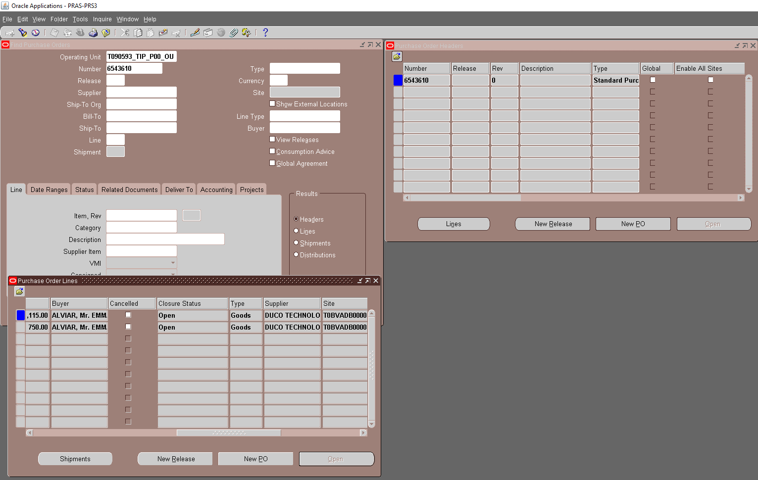

Step 6: Perform RCV Transaction

[BEFORE INTERFACE]

SELECT *
FROM rcv_receiving_sub_ledger
WHERE 1=1
AND reference4 LIKE '%6543610%'

LAST_UPDATE_DATE | LAST_UPDATED_BY | CREATION_DATE | CREATED_BY | LAST_UPDATE_LOGIN | RCV_TRANSACTION_ID | CURRENCY_CODE | ACTUAL_FLAG | JE_SOURCE_NAME | JE_CATEGORY_NAME | SET_OF_BOOKS_ID | ACCOUNTING_DATE | CODE_COMBINATION_ID | ACCOUNTED_DR | ACCOUNTED_CR | ENCUMBRANCE_TYPE_ID | ENTERED_DR | ENTERED_CR | BUDGET_VERSION_ID | CURRENCY_CONVERSION_DATE | USER_CURRENCY_CONVERSION_TYPE | CURRENCY_CONVERSION_RATE | TRANSACTION_DATE | PERIOD_NAME | CHART_OF_ACCOUNTS_ID | FUNCTIONAL_CURRENCY_CODE | DATE_CREATED_IN_GL | JE_BATCH_NAME | JE_BATCH_DESCRIPTION | JE_HEADER_NAME | JE_LINE_DESCRIPTION | REVERSE_JOURNAL_FLAG | REVERSAL_PERIOD_NAME | ATTRIBUTE_CATEGORY | ATTRIBUTE1 | ATTRIBUTE2 | ATTRIBUTE3 | ATTRIBUTE4 | ATTRIBUTE5 | ATTRIBUTE6 | ATTRIBUTE7 | ATTRIBUTE8 | ATTRIBUTE9 | ATTRIBUTE10 | ATTRIBUTE11 | ATTRIBUTE12 | ATTRIBUTE13 | ATTRIBUTE14 | ATTRIBUTE15 | REQUEST_ID | PROGRAM_APPLICATION_ID | PROGRAM_ID | PROGRAM_UPDATE_DATE | SUBLEDGER_DOC_SEQUENCE_ID | SUBLEDGER_DOC_SEQUENCE_VALUE | USSGL_TRANSACTION_CODE | REFERENCE1 | REFERENCE2 | REFERENCE3 | REFERENCE4 | REFERENCE5 | REFERENCE6 | REFERENCE7 | REFERENCE8 | REFERENCE9 | REFERENCE10 | SOURCE_DOC_QUANTITY | ACCRUAL_METHOD_FLAG | GL_SL_LINK_ID | ENTERED_REC_TAX | ENTERED_NR_TAX | ACCOUNTED_REC_TAX | ACCOUNTED_NR_TAX | RCV_SUB_LEDGER_ID | ACCOUNTING_EVENT_ID | ACCOUNTING_LINE_TYPE | PA_ADDITION_FLAG
4/29/19 | 4347 | 4/29/19 | 4347 | 31882170 | 10147558 | USD | A | Purchasing | Accrual | 2021 | 2019-04-29 | 2019 | 1115 |  |  | 1115 |  |  | 2019-04-29 |  | 1 | 4/29/19 | Apr-19 | 50368 | USD |  |  |  |  |  |  |  |  |  |  |  |  |  |  |  |  |  |  |  |  |  |  |  | -1 | -1 | -1 |  |  |  |  | PO | 7571790 | 7377713 | 6543610 |  |  |  |  |  |  | 1 | O |  | 0 | 0 | 0 | 0 | 10267163 | 8174319 | Receiving Inspection
4/29/19 | 4347 | 4/29/19 | 4347 | 31882170 | 10147558 | USD | A | Purchasing | Accrual | 2021 | 2019-04-29 | 5073 |  | 1115 |  |  | 1115 |  | 2019-04-29 |  | 1 | 4/29/19 | Apr-19 | 50368 | USD |  |  |  |  |  |  |  |  |  |  |  |  |  |  |  |  |  |  |  |  |  |  |  | -1 | -1 | -1 |  |  |  |  | PO | 7571790 | 7377713 | 6543610 |  |  |  |  |  |  | 1 | O |  | 0 | 0 | 0 | 0 | 10267164 | 8174319 | Accrual
4/29/19 | 4347 | 4/29/19 | 4347 | 31882170 | 10147559 | USD | A | Purchasing | Accrual | 2021 | 2019-04-29 | 10968 | 1115 |  |  | 1115 |  |  | 2019-04-29 |  | 1 | 4/29/19 | Apr-19 | 50368 | USD |  |  |  |  |  |  |  |  |  |  |  |  |  |  |  |  |  |  |  |  |  |  |  | -1 | -1 | -1 |  |  |  |  | PO | 7571790 | 7377713 | 6543610 |  |  |  |  |  |  | 1 | O |  | 0 | 0 | 0 | 0 | 10267165 | 8174320 | Charge
4/29/19 | 4347 | 4/29/19 | 4347 | 31882170 | 10147559 | USD | A | Purchasing | Accrual | 2021 | 2019-04-29 | 2019 |  | 1115 |  |  | 1115 |  | 2019-04-29 |  | 1 | 4/29/19 | Apr-19 | 50368 | USD |  |  |  |  |  |  |  |  |  |  |  |  |  |  |  |  |  |  |  |  |  |  |  | -1 | -1 | -1 |  |  |  |  | PO | 7571790 | 7377713 | 6543610 |  |  |  |  |  |  | 1 | O |  | 0 | 0 | 0 | 0 | 10267166 | 8174320 | Receiving Inspection
4/29/19 | 4347 | 4/29/19 | 4347 | 31882170 | 10147560 | USD | A | Purchasing | Accrual | 2021 | 2019-04-29 | 2019 | 750 |  |  | 750 |  |  | 2019-04-29 |  | 1 | 4/29/19 | Apr-19 | 50368 | USD |  |  |  |  |  |  |  |  |  |  |  |  |  |  |  |  |  |  |  |  |  |  |  | -1 | -1 | -1 |  |  |  |  | PO | 7571790 | 7377714 | 6543610 |  |  |  |  |  |  | 1 | O |  | 0 | 0 | 0 | 0 | 10267167 | 8174321 | Receiving Inspection
4/29/19 | 4347 | 4/29/19 | 4347 | 31882170 | 10147560 | USD | A | Purchasing | Accrual | 2021 | 2019-04-29 | 5073 |  | 750 |  |  | 750 |  | 2019-04-29 |  | 1 | 4/29/19 | Apr-19 | 50368 | USD |  |  |  |  |  |  |  |  |  |  |  |  |  |  |  |  |  |  |  |  |  |  |  | -1 | -1 | -1 |  |  |  |  | PO | 7571790 | 7377714 | 6543610 |  |  |  |  |  |  | 1 | O |  | 0 | 0 | 0 | 0 | 10267168 | 8174321 | Accrual
4/29/19 | 4347 | 4/29/19 | 4347 | 31882170 | 10147561 | USD | A | Purchasing | Accrual | 2021 | 2019-04-29 | 10968 | 750 |  |  | 750 |  |  | 2019-04-29 |  | 1 | 4/29/19 | Apr-19 | 50368 | USD |  |  |  |  |  |  |  |  |  |  |  |  |  |  |  |  |  |  |  |  |  |  |  | -1 | -1 | -1 |  |  |  |  | PO | 7571790 | 7377714 | 6543610 |  |  |  |  |  |  | 1 | O |  | 0 | 0 | 0 | 0 | 10267169 | 8174322 | Charge
4/29/19 | 4347 | 4/29/19 | 4347 | 31882170 | 10147561 | USD | A | Purchasing | Accrual | 2021 | 2019-04-29 | 2019 |  | 750 |  |  | 750 |  | 2019-04-29 |  | 1 | 4/29/19 | Apr-19 | 50368 | USD |  |  |  |  |  |  |  |  |  |  |  |  |  |  |  |  |  |  |  |  |  |  |  | -1 | -1 | -1 |  |  |  |  | PO | 7571790 | 7377714 | 6543610 |  |  |  |  |  |  | 1 | O |  | 0 | 0 | 0 | 0 | 10267170 | 8174322 | Receiving Inspection

Step 7: Verify the transferred RCV transactions in GAIA GL Application

SELECT *
FROM xx00ifgl_journal_stg_all
WHERE transaction_id IN (10147558,10147559,10147560,10147561)

JE_HEADER_NUM | JE_LINE_NUM | JE_CATEGORY_KEY | USER_JE_SOURCE_NAME | ACCOUNTING_DATE | CR_DR_FLAG | PERIOD_NAME | REFERENCE1 | REFERENCE2 | REFERENCE4 | REFERENCE5 | REFERENCE6 | REFERENCE7 | REFERENCE8 | REFERENCE9 | REFERENCE10 | JGZZ_RECON_REF | TAX_REGIME_CODE | TAX | TAX_STATUS_CODE | TAX_JURISDICTION_CODE | TAX_RATE_CODE | TAX_RATE | TAX_LINE_GROUP | SEGMENT1 | SEGMENT2 | SEGMENT3 | SEGMENT4 | SEGMENT5 | SEGMENT6 | SEGMENT7 | SEGMENT8 | SEGMENT9 | SEGMENT10 | SEGMENT11 | CODE_COMBINATION_ID | ATTRIBUTE1 | ATTRIBUTE2 | ATTRIBUTE3 | ATTRIBUTE4 | ATTRIBUTE5 | ATTRIBUTE6 | ATTRIBUTE7 | ATTRIBUTE8 | ATTRIBUTE9 | ATTRIBUTE10 | ATTRIBUTE11 | ATTRIBUTE12 | ATTRIBUTE13 | ATTRIBUTE14 | ATTRIBUTE15 | ATTRIBUTE16 | ATTRIBUTE17 | ATTRIBUTE18 | ATTRIBUTE19 | ATTRIBUTE20 | XX_ATTRIBUTE1 | XX_ATTRIBUTE2 | XX_ATTRIBUTE3 | XX_ATTRIBUTE4 | XX_ATTRIBUTE5 | XX_ATTRIBUTE6 | XX_ATTRIBUTE7 | XX_ATTRIBUTE8 | XX_ATTRIBUTE9 | XX_ATTRIBUTE10 | XX_ATTRIBUTE11 | XX_ATTRIBUTE12 | XX_ATTRIBUTE13 | XX_ATTRIBUTE14 | XX_ATTRIBUTE15 | XX_ATTRIBUTE16 | XX_ATTRIBUTE17 | XX_ATTRIBUTE18 | XX_ATTRIBUTE19 | XX_ATTRIBUTE20 | XX_ATTRIBUTE21 | XX_ATTRIBUTE22 | XX_ATTRIBUTE23 | XX_ATTRIBUTE24 | XX_ATTRIBUTE25 | XX_ATTRIBUTE26 | XX_ATTRIBUTE27 | XX_ATTRIBUTE28 | XX_ATTRIBUTE29 | XX_ATTRIBUTE30 | XX_ATTRIBUTE31 | XX_ATTRIBUTE32 | XX_ATTRIBUTE33 | XX_ATTRIBUTE34 | XX_ATTRIBUTE35 | XX_ATTRIBUTE36 | XX_ATTRIBUTE37 | XX_ATTRIBUTE38 | XX_ATTRIBUTE39 | XX_ATTRIBUTE40 | XX_ATTRIBUTE41 | XX_ATTRIBUTE42 | XX_ATTRIBUTE43 | XX_ATTRIBUTE44 | XX_ATTRIBUTE45 | ENTERED_DR | ENTERED_CR | ACCOUNTED_DR | ACCOUNTED_CR | CURRENCY_CODE | CURRENCY_CONVERSION_DATE | USER_CURRENCY_CONVERSION_TYPE | CURRENCY_CONVERSION_RATE | STATUS | ACTUAL_FLAG | LEDGER_NAME | INVOICE_ID | DISTRIBUTION_LINE_NUMBER | PROCESS_STATUS | ERROR_FLAG | ERROR_MESSAGE | LEGAL_ENTITY_ID | CREATED_BY | CREATION_DATE | LAST_UPDATED_BY | LAST_UPDATE_DATE | LAST_UPDATE_LOGIN | REQUEST_ID | PROGRAM_APPLICATION_ID | PROGRAM_ID | PROGRAM_UPDATE_DATE | ORG_ID | TRANSACTION_ID
2567350 | 1 | Receiving | Cost Management | 2019-04-29 | D | Apr-19 |  |  |  | 2567350 |  |  |  |  | 6543610 DUCO TECHNOLOGY LIMITED T0BVADB0000 |  | PHL_REGIME | PHL_VAT | PHL_TAX_STATUS | PHL_JUR | PHLV00 | 0 |  | T090593 | M10 | L10 | 3002430 | 42200120 | 7412 | X2110 | PHL | 0 | 0 | 0 | 10968 |  |  |  |  |  |  |  |  |  |  |  |  | pcs |  |  |  |  |  |  |  |  |  |  |  |  |  |  |  |  |  |  |  |  |  |  |  |  |  |  |  |  |  |  |  |  |  |  |  |  |  |  |  |  |  |  |  |  |  |  |  |  |  |  |  |  | 750 |  | 750 |  | USD | 2019-04-29 |  | 1 | U | A | T090593_TIP_IFRS |  |  | INTERFACED |  |  | 23285 | 5023 | 4/30/19 | 5023 | 4/30/19 | 31895254 | 31170838 | 20009 | 64381 | 4/30/19 | 101 | 10147561
2567350 | 2 | Receiving | Cost Management | 2019-04-29 | C | Apr-19 |  |  |  | 2567350 |  |  |  |  | 6543610 DUCO TECHNOLOGY LIMITED T0BVADB0000 |  | PHL_REGIME | PHL_VAT | PHL_TAX_STATUS | PHL_JUR | PHLV00 | 0 |  | T090593 | A99 | L10 | 0 | 11851110 | 0 | 0 | PHL | 0 | 0 | 0 | 2019 |  |  |  |  |  |  |  |  |  |  |  |  | pcs |  |  |  |  |  |  |  |  |  |  |  |  |  |  |  |  |  |  |  |  |  |  |  |  |  |  |  |  |  |  |  |  |  |  |  |  |  |  |  |  |  |  |  |  |  |  |  |  |  |  |  |  |  | 750 |  | 750 | USD | 2019-04-29 |  | 1 | U | A | T090593_TIP_IFRS |  |  | INTERFACED |  |  | 23285 | 5023 | 4/30/19 | 5023 | 4/30/19 | 31895254 | 31170838 | 20009 | 64381 | 4/30/19 | 101 | 10147561
2567694 | 1 | Receiving | Cost Management | 2019-04-29 | D | Apr-19 |  |  |  | 2567694 |  |  |  |  | 6543610 DUCO TECHNOLOGY LIMITED T0BVADB0000 |  | PHL_REGIME | PHL_VAT | PHL_TAX_STATUS | PHL_JUR | PHLV00 | 0 |  | T090593 | M10 | L10 | 3002430 | 42200120 | 7412 | X2110 | PHL | 0 | 0 | 0 | 10968 |  |  |  |  |  |  |  |  |  |  |  |  | pack |  |  |  |  |  |  |  |  |  |  |  |  |  |  |  |  |  |  |  |  |  |  |  |  |  |  |  |  |  |  |  |  |  |  |  |  |  |  |  |  |  |  |  |  |  |  |  |  |  |  |  |  | 1115 |  | 1115 |  | USD | 2019-04-29 |  | 1 | U | A | T090593_TIP_IFRS |  |  | INTERFACED |  |  | 23285 | 5023 | 4/30/19 | 5023 | 4/30/19 | 31895254 | 31170838 | 20009 | 64381 | 4/30/19 | 101 | 10147559
2567694 | 2 | Receiving | Cost Management | 2019-04-29 | C | Apr-19 |  |  |  | 2567694 |  |  |  |  | 6543610 DUCO TECHNOLOGY LIMITED T0BVADB0000 |  | PHL_REGIME | PHL_VAT | PHL_TAX_STATUS | PHL_JUR | PHLV00 | 0 |  | T090593 | A99 | L10 | 0 | 11851110 | 0 | 0 | PHL | 0 | 0 | 0 | 2019 |  |  |  |  |  |  |  |  |  |  |  |  | pack |  |  |  |  |  |  |  |  |  |  |  |  |  |  |  |  |  |  |  |  |  |  |  |  |  |  |  |  |  |  |  |  |  |  |  |  |  |  |  |  |  |  |  |  |  |  |  |  |  |  |  |  |  | 1115 |  | 1115 | USD | 2019-04-29 |  | 1 | U | A | T090593_TIP_IFRS |  |  | INTERFACED |  |  | 23285 | 5023 | 4/30/19 | 5023 | 4/30/19 | 31895254 | 31170838 | 20009 | 64381 | 4/30/19 | 101 | 10147559
2567250 | 1 | Receiving | Cost Management | 2019-04-29 | C | Apr-19 |  |  |  | 2567250 |  |  |  |  | 6543610 DUCO TECHNOLOGY LIMITED T0BVADB0000 |  | PHL_REGIME | PHL_VAT | PHL_TAX_STATUS | PHL_JUR | PHLV00 | 0 |  | T090593 | M10 | L10 | 0 | 20201140 | 0 | 0 | PHL | 0 | 0 | 0 | 5073 |  |  |  |  |  |  |  |  |  |  | T0BVADB0000 |  | pcs |  |  |  |  |  |  |  |  |  |  |  |  |  |  |  |  |  |  |  |  |  |  |  |  |  |  |  |  |  |  |  |  |  |  |  |  |  |  |  |  |  |  |  |  |  |  |  |  |  |  |  |  |  | 750 |  | 750 | USD | 2019-04-29 |  | 1 | U | A | T090593_TIP_IFRS |  |  | INTERFACED |  |  | 23285 | 5023 | 4/30/19 | 5023 | 4/30/19 | 31895254 | 31170838 | 20009 | 64381 | 4/30/19 | 101 | 10147560
2567250 | 2 | Receiving | Cost Management | 2019-04-29 | D | Apr-19 |  |  |  | 2567250 |  |  |  |  | 6543610 DUCO TECHNOLOGY LIMITED T0BVADB0000 |  | PHL_REGIME | PHL_VAT | PHL_TAX_STATUS | PHL_JUR | PHLV00 | 0 |  | T090593 | A99 | L10 | 0 | 11851110 | 0 | 0 | PHL | 0 | 0 | 0 | 2019 |  |  |  |  |  |  |  |  |  |  | T0BVADB0000 |  | pcs |  |  |  |  |  |  |  |  |  |  |  |  |  |  |  |  |  |  |  |  |  |  |  |  |  |  |  |  |  |  |  |  |  |  |  |  |  |  |  |  |  |  |  |  |  |  |  |  |  |  |  |  | 750 |  | 750 |  | USD | 2019-04-29 |  | 1 | U | A | T090593_TIP_IFRS |  |  | INTERFACED |  |  | 23285 | 5023 | 4/30/19 | 5023 | 4/30/19 | 31895254 | 31170838 | 20009 | 64381 | 4/30/19 | 101 | 10147560
2567268 | 1 | Receiving | Cost Management | 2019-04-29 | C | Apr-19 |  |  |  | 2567268 |  |  |  |  | 6543610 DUCO TECHNOLOGY LIMITED T0BVADB0000 |  | PHL_REGIME | PHL_VAT | PHL_TAX_STATUS | PHL_JUR | PHLV00 | 0 |  | T090593 | M10 | L10 | 0 | 20201140 | 0 | 0 | PHL | 0 | 0 | 0 | 5073 |  |  |  |  |  |  |  |  |  |  | T0BVADB0000 |  | pack |  |  |  |  |  |  |  |  |  |  |  |  |  |  |  |  |  |  |  |  |  |  |  |  |  |  |  |  |  |  |  |  |  |  |  |  |  |  |  |  |  |  |  |  |  |  |  |  |  |  |  |  |  | 1115 |  | 1115 | USD | 2019-04-29 |  | 1 | U | A | T090593_TIP_IFRS |  |  | INTERFACED |  |  | 23285 | 5023 | 4/30/19 | 5023 | 4/30/19 | 31895254 | 31170838 | 20009 | 64381 | 4/30/19 | 101 | 10147558
2567268 | 2 | Receiving | Cost Management | 2019-04-29 | D | Apr-19 |  |  |  | 2567268 |  |  |  |  | 6543610 DUCO TECHNOLOGY LIMITED T0BVADB0000 |  | PHL_REGIME | PHL_VAT | PHL_TAX_STATUS | PHL_JUR | PHLV00 | 0 |  | T090593 | A99 | L10 | 0 | 11851110 | 0 | 0 | PHL | 0 | 0 | 0 | 2019 |  |  |  |  |  |  |  |  |  |  | T0BVADB0000 |  | pack |  |  |  |  |  |  |  |  |  |  |  |  |  |  |  |  |  |  |  |  |  |  |  |  |  |  |  |  |  |  |  |  |  |  |  |  |  |  |  |  |  |  |  |  |  |  |  |  |  |  |  |  | 1115 |  | 1115 |  | USD | 2019-04-29 |  | 1 | U | A | T090593_TIP_IFRS |  |  | INTERFACED |  |  | 23285 | 5023 | 4/30/19 | 5023 | 4/30/19 | 31895254 | 31170838 | 20009 | 64381 | 4/30/19 | 101 | 10147558

SELECT *
FROM xx00ifgl_journal_if_all
WHERE je_header_num IN ('2567350',
'2567694',
'2567250',
'2567268')

JE_HEADER_NUM | JE_LINE_NUM | JE_CATEGORY_KEY | USER_JE_SOURCE_NAME | ACCOUNTING_DATE | CR_DR_FLAG | PERIOD_NAME | REFERENCE1 | REFERENCE2 | REFERENCE4 | REFERENCE5 | REFERENCE6 | REFERENCE7 | REFERENCE8 | REFERENCE9 | REFERENCE10 | JGZZ_RECON_REF | TAX_REGIME_CODE | TAX | TAX_STATUS_CODE | TAX_JURISDICTION_CODE | TAX_RATE_CODE | TAX_RATE | TAX_LINE_GROUP | SEGMENT1 | SEGMENT2 | SEGMENT3 | SEGMENT4 | SEGMENT5 | SEGMENT6 | SEGMENT7 | SEGMENT8 | SEGMENT9 | SEGMENT10 | SEGMENT11 | CODE_COMBINATION_ID | ATTRIBUTE1 | ATTRIBUTE2 | ATTRIBUTE3 | ATTRIBUTE4 | ATTRIBUTE5 | ATTRIBUTE6 | ATTRIBUTE7 | ATTRIBUTE8 | ATTRIBUTE9 | ATTRIBUTE10 | ATTRIBUTE11 | ATTRIBUTE12 | ATTRIBUTE13 | ATTRIBUTE14 | ATTRIBUTE15 | ATTRIBUTE16 | ATTRIBUTE17 | ATTRIBUTE18 | ATTRIBUTE19 | ATTRIBUTE20 | XX_ATTRIBUTE1 | XX_ATTRIBUTE2 | XX_ATTRIBUTE3 | XX_ATTRIBUTE4 | XX_ATTRIBUTE5 | XX_ATTRIBUTE6 | XX_ATTRIBUTE7 | XX_ATTRIBUTE8 | XX_ATTRIBUTE9 | XX_ATTRIBUTE10 | XX_ATTRIBUTE11 | XX_ATTRIBUTE12 | XX_ATTRIBUTE13 | XX_ATTRIBUTE14 | XX_ATTRIBUTE15 | XX_ATTRIBUTE16 | XX_ATTRIBUTE17 | XX_ATTRIBUTE18 | XX_ATTRIBUTE19 | XX_ATTRIBUTE20 | XX_ATTRIBUTE21 | XX_ATTRIBUTE22 | XX_ATTRIBUTE23 | XX_ATTRIBUTE24 | XX_ATTRIBUTE25 | XX_ATTRIBUTE26 | XX_ATTRIBUTE27 | XX_ATTRIBUTE28 | XX_ATTRIBUTE29 | XX_ATTRIBUTE30 | XX_ATTRIBUTE31 | XX_ATTRIBUTE32 | XX_ATTRIBUTE33 | XX_ATTRIBUTE34 | XX_ATTRIBUTE35 | XX_ATTRIBUTE36 | XX_ATTRIBUTE37 | XX_ATTRIBUTE38 | XX_ATTRIBUTE39 | XX_ATTRIBUTE40 | XX_ATTRIBUTE41 | XX_ATTRIBUTE42 | XX_ATTRIBUTE43 | XX_ATTRIBUTE44 | XX_ATTRIBUTE45 | ENTERED_DR | ENTERED_CR | ACCOUNTED_DR | ACCOUNTED_CR | CURRENCY_CODE | CURRENCY_CONVERSION_DATE | USER_CURRENCY_CONVERSION_TYPE | CURRENCY_CONVERSION_RATE | STATUS | ACTUAL_FLAG | LEDGER_NAME | INVOICE_ID | DISTRIBUTION_LINE_NUMBER | FTP_FILE_NAME | PROCESS_STATUS | ERROR_FLAG | ERROR_MESSAGE | LEGAL_ENTITY_ID | CREATED_BY | CREATION_DATE | LAST_UPDATED_BY | LAST_UPDATE_DATE | LAST_UPDATE_LOGIN | REQUEST_ID | PROGRAM_APPLICATION_ID | PROGRAM_ID | PROGRAM_UPDATE_DATE | ORG_ID
2567250 | 1 | Receiving | Cost Management | 2019-04-29 | C |  |  |  |  | 2567250 |  |  |  |  | 6543610 DUCO TECHNOLOGY LIMITED T0BVADB0000 | <Plz Input> | PHL_REGIME | PHL_VAT | PHL_TAX_STATUS | PHL_JUR | PHLV00 | 0 |  | T090593 | M10 | L10 | 0 | 20201140 | 0 | 0 | PHL | 0 | 0 | 0 | 5073 |  |  |  |  |  |  |  |  |  |  | T0BVADB0000 |  | UKP |  |  |  |  |  |  |  |  |  |  |  |  |  |  |  |  |  |  |  |  |  |  |  |  |  |  |  |  |  |  |  |  |  |  |  |  |  |  |  |  |  |  |  |  |  |  |  |  |  |  |  |  |  | 750 |  | 750 | USD |  | User | 1 | U | A | T090593_TIP_IFRS |  |  | GLCMNEBS_20190430_001_L.dat | TRANSFERRED |  |  | 23285 | 5023 | 4/30/19 | 5023 | 4/30/19 | 5023 | 31170969 | 20009 | 62337 | 4/30/19 | 101
2567250 | 2 | Receiving | Cost Management | 2019-04-29 | D |  |  |  |  | 2567250 |  |  |  |  | 6543610 DUCO TECHNOLOGY LIMITED T0BVADB0000 |  | PHL_REGIME | PHL_VAT | PHL_TAX_STATUS | PHL_JUR | PHLV00 | 0 |  | T090593 | A99 | L10 | 0 | 11851110 | 0 | 0 | PHL | 0 | 0 | 0 | 2019 |  |  |  |  |  |  |  |  |  |  |  |  | UKP |  |  |  |  |  |  |  |  |  |  |  |  |  |  |  |  |  |  |  |  |  |  |  |  |  |  |  |  |  |  |  |  |  |  |  |  |  |  |  |  |  |  |  |  |  |  |  |  |  |  |  |  | 750 |  | 750 |  | USD |  | User | 1 | U | A | T090593_TIP_IFRS |  |  | GLCMNEBS_20190430_001_L.dat | TRANSFERRED |  |  | 23285 | 5023 | 4/30/19 | 5023 | 4/30/19 | 5023 | 31170969 | 20009 | 62337 | 4/30/19 | 101
2567268 | 1 | Receiving | Cost Management | 2019-04-29 | C |  |  |  |  | 2567268 |  |  |  |  | 6543610 DUCO TECHNOLOGY LIMITED T0BVADB0000 | <Plz Input> | PHL_REGIME | PHL_VAT | PHL_TAX_STATUS | PHL_JUR | PHLV00 | 0 |  | T090593 | M10 | L10 | 0 | 20201140 | 0 | 0 | PHL | 0 | 0 | 0 | 5073 |  |  |  |  |  |  |  |  |  |  | T0BVADB0000 |  | UKP |  |  |  |  |  |  |  |  |  |  |  |  |  |  |  |  |  |  |  |  |  |  |  |  |  |  |  |  |  |  |  |  |  |  |  |  |  |  |  |  |  |  |  |  |  |  |  |  |  |  |  |  |  | 1115 |  | 1115 | USD |  | User | 1 | U | A | T090593_TIP_IFRS |  |  | GLCMNEBS_20190430_001_L.dat | TRANSFERRED |  |  | 23285 | 5023 | 4/30/19 | 5023 | 4/30/19 | 5023 | 31170969 | 20009 | 62337 | 4/30/19 | 101
2567268 | 2 | Receiving | Cost Management | 2019-04-29 | D |  |  |  |  | 2567268 |  |  |  |  | 6543610 DUCO TECHNOLOGY LIMITED T0BVADB0000 |  | PHL_REGIME | PHL_VAT | PHL_TAX_STATUS | PHL_JUR | PHLV00 | 0 |  | T090593 | A99 | L10 | 0 | 11851110 | 0 | 0 | PHL | 0 | 0 | 0 | 2019 |  |  |  |  |  |  |  |  |  |  |  |  | UKP |  |  |  |  |  |  |  |  |  |  |  |  |  |  |  |  |  |  |  |  |  |  |  |  |  |  |  |  |  |  |  |  |  |  |  |  |  |  |  |  |  |  |  |  |  |  |  |  |  |  |  |  | 1115 |  | 1115 |  | USD |  | User | 1 | U | A | T090593_TIP_IFRS |  |  | GLCMNEBS_20190430_001_L.dat | TRANSFERRED |  |  | 23285 | 5023 | 4/30/19 | 5023 | 4/30/19 | 5023 | 31170969 | 20009 | 62337 | 4/30/19 | 101
2567350 | 1 | Receiving | Cost Management | 2019-04-29 | D |  |  |  |  | 2567350 |  |  |  |  | 6543610 DUCO TECHNOLOGY LIMITED T0BVADB0000 |  | PHL_REGIME | PHL_VAT | PHL_TAX_STATUS | PHL_JUR | PHLV00 | 0 |  | T090593 | M10 | L10 | 3002430 | 42200120 | 7412 | X2110 | PHL | 0 | 0 | 0 | 10968 |  |  |  |  |  |  |  |  |  |  |  |  | UKP |  |  |  |  |  |  |  |  |  |  |  |  |  |  |  |  |  |  |  |  |  |  |  |  |  |  |  |  |  |  |  |  |  |  |  |  |  |  |  |  |  |  |  |  |  |  |  |  |  |  |  |  | 750 |  | 750 |  | USD |  | User | 1 | U | A | T090593_TIP_IFRS |  |  | GLCMNEBS_20190430_001_L.dat | TRANSFERRED |  |  | 23285 | 5023 | 4/30/19 | 5023 | 4/30/19 | 5023 | 31170969 | 20009 | 62337 | 4/30/19 | 101
2567350 | 2 | Receiving | Cost Management | 2019-04-29 | C |  |  |  |  | 2567350 |  |  |  |  | 6543610 DUCO TECHNOLOGY LIMITED T0BVADB0000 |  | PHL_REGIME | PHL_VAT | PHL_TAX_STATUS | PHL_JUR | PHLV00 | 0 |  | T090593 | A99 | L10 | 0 | 11851110 | 0 | 0 | PHL | 0 | 0 | 0 | 2019 |  |  |  |  |  |  |  |  |  |  |  |  | UKP |  |  |  |  |  |  |  |  |  |  |  |  |  |  |  |  |  |  |  |  |  |  |  |  |  |  |  |  |  |  |  |  |  |  |  |  |  |  |  |  |  |  |  |  |  |  |  |  |  |  |  |  |  | 750 |  | 750 | USD |  | User | 1 | U | A | T090593_TIP_IFRS |  |  | GLCMNEBS_20190430_001_L.dat | TRANSFERRED |  |  | 23285 | 5023 | 4/30/19 | 5023 | 4/30/19 | 5023 | 31170969 | 20009 | 62337 | 4/30/19 | 101
2567694 | 1 | Receiving | Cost Management | 2019-04-29 | D |  |  |  |  | 2567694 |  |  |  |  | 6543610 DUCO TECHNOLOGY LIMITED T0BVADB0000 |  | PHL_REGIME | PHL_VAT | PHL_TAX_STATUS | PHL_JUR | PHLV00 | 0 |  | T090593 | M10 | L10 | 3002430 | 42200120 | 7412 | X2110 | PHL | 0 | 0 | 0 | 10968 |  |  |  |  |  |  |  |  |  |  |  |  | UKP |  |  |  |  |  |  |  |  |  |  |  |  |  |  |  |  |  |  |  |  |  |  |  |  |  |  |  |  |  |  |  |  |  |  |  |  |  |  |  |  |  |  |  |  |  |  |  |  |  |  |  |  | 1115 |  | 1115 |  | USD |  | User | 1 | U | A | T090593_TIP_IFRS |  |  | GLCMNEBS_20190430_001_L.dat | TRANSFERRED |  |  | 23285 | 5023 | 4/30/19 | 5023 | 4/30/19 | 5023 | 31170969 | 20009 | 62337 | 4/30/19 | 101
2567694 | 2 | Receiving | Cost Management | 2019-04-29 | C |  |  |  |  | 2567694 |  |  |  |  | 6543610 DUCO TECHNOLOGY LIMITED T0BVADB0000 |  | PHL_REGIME | PHL_VAT | PHL_TAX_STATUS | PHL_JUR | PHLV00 | 0 |  | T090593 | A99 | L10 | 0 | 11851110 | 0 | 0 | PHL | 0 | 0 | 0 | 2019 |  |  |  |  |  |  |  |  |  |  |  |  | UKP |  |  |  |  |  |  |  |  |  |  |  |  |  |  |  |  |  |  |  |  |  |  |  |  |  |  |  |  |  |  |  |  |  |  |  |  |  |  |  |  |  |  |  |  |  |  |  |  |  |  |  |  |  | 1115 |  | 1115 | USD |  | User | 1 | U | A | T090593_TIP_IFRS |  |  | GLCMNEBS_20190430_001_L.dat | TRANSFERRED |  |  | 23285 | 5023 | 4/30/19 | 5023 | 4/30/19 | 5023 | 31170969 | 20009 | 62337 | 4/30/19 | 101

